Wi-TEk Q3 2026
 

SIR.tel. Srl - Via Molino di Sopra 55A 37054 Nogara (VR) - sales@sirtel.it - www.sirtel.it
Listino Wi-Tek n.78 Q3 Agosto 2026
MODELLO |  | DESCRIZIONE | LISTINO
Cloud Platform
Wi-Tek Cloud Platform | 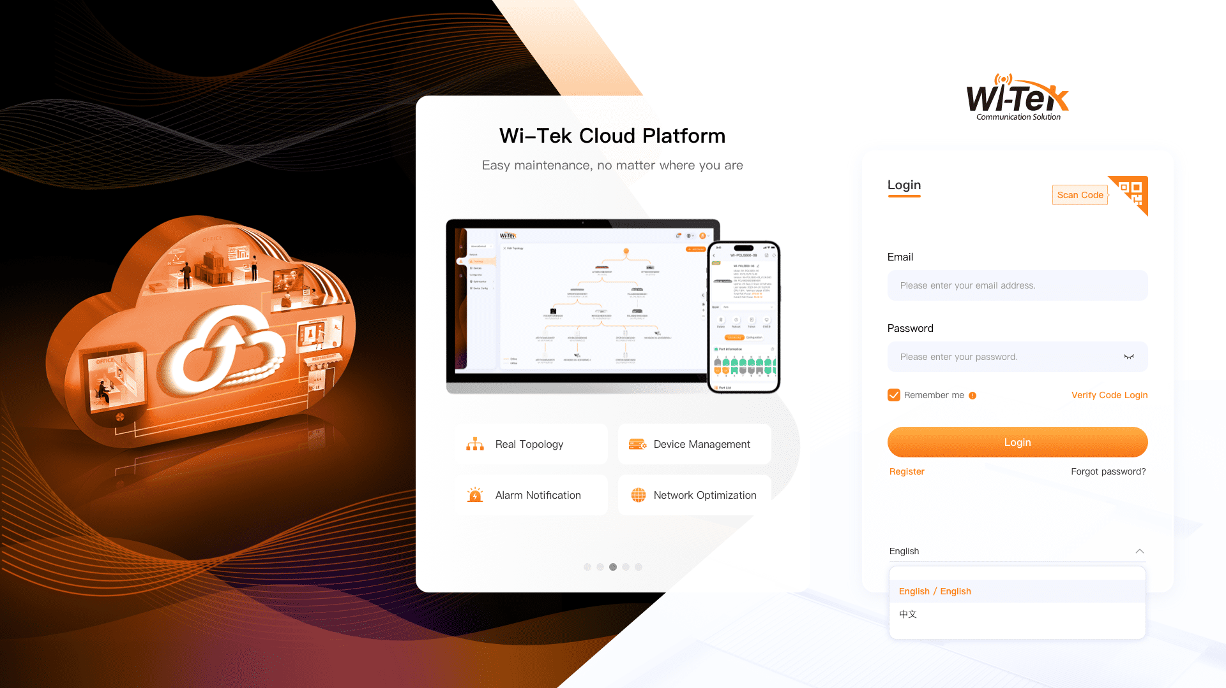 | Easy to Deployment: One key paired, binding in a minute. All cloud products that go online obtain the cloud configuration automatically without one-by-one paired. Visual Management: Cloud visual management interface, easy to operate without professional skill requirements. Intelligent maintenance: The alarm system monitor network status in real-time and helps you troubleshoot on time.Can be managed remotely. All devices support one-key upgrades. Convenient Network Assistance: Support Share network, handover network, and EWEB your device flexibly, you can share one of your projects with an IT staff for troubleshooting. Clear classification and decentralization can help you manage projects more conveniently. Strong Value-Added Services: Support SD-LAN, and solve slow data synchronization problems between branch and headquarters. | Create your Account freely by click below link: https://cloud2.wireless-tek.com/

Mobile Cloud APP
Wi-Tek Cloud APP |  | Project Management: Unlimited number of project creation, Auto project network topology generation, Real-time network data analysis, Project filter and search, Project share/ handover, My project map, Project report Device Management: Device status overview, Remote device configuration (port, VLAN, EWEB, Telnet, etc.), Batch device online upgrade, Device fault alarm, SD-LAN, Wi-Fi Optimization Network Optimization: Wi-Fi configuration, Wi-Fi Optimization, Roaming Optimization All the Wi-Tek cloud products and Onvif supported products (IPC, NVR, etc) can be remotely, centrally and freely manage by Wi-Tek Cloud APP and Cloud Platform. | Download Freely : Wi-Tek Cloud

POL Product Line
WI-POL308G-P |  | xPON Cloud Managed 8 Ports PoE MDU 1*EPON/GPON SC/UPS 8*1000Mbps IEEE 802.3af/at 30W PoE RJ45 110W max for whole switch PoE power budget Support ONVIF protocol Wi-Tek cloud, OMCI, OAM, WEB management | 217.00 €

WI-POL5800-08 |  | 4*10GE SFP+ ports 4*GE ports 8*GPON ports Abundant L3 functions, it supports RIP, OSPF, BGP,IS-IS etc. helping to build scalable and reliable networks. 1:128 Max splitting ratio 20KM Physical differential distance Standard OMCI management Wi-Tek cloud management, provisioning and configuration | 2,362.00 €

WI-POS132R |  | 19" Rack PLC Splitter 1:32, 1 IN 32 OUT, SC/UPC, SC/APC, LC/APC, LC/UPC connertors are customizable 16.6dB typical Insertion Loss 1260~1650 nm Wavelength | 109.00 €

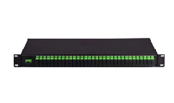
WI-POS164R |  | 19" Rack PLC Splitter 1:64, 1 IN 64 OUT, SC/UPC, SC/APC, LC/APC, LC/UPC connertors are customizable 20.1dB typical Insertion Loss 1260~1650 nm Wavelength | 178.00 €

WI-POS102B | 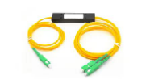 | 90*20*10mm Mini/ABS Box PLC Splitter 1:2, 1 IN 2 OUT, SC/UPC, SC/APC, LC/APC, LC/UPC connertors are customizable 3.6dB typical Insertion Loss 1260~1650 nm Wavelength | 16.00 €

WI-POS104B | 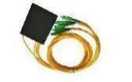 | 100*80*10mm Mini/ABS Box PLC Splitter 1:4, 1 IN 4 OUT, SC/UPC, SC/APC, LC/APC, LC/UPC connertors are customizable 7.0dB typical Insertion Loss 1260~1650 nm Wavelength | 19.00 €

WI-POS108B |  | 100*80*10mm Mini/ABS Box PLC Splitter 1:8, 1 IN 8 OUT, SC/UPC, SC/APC, LC/APC, LC/UPC connertors are customizable 10.2dB typical Insertion Loss 1260~1650 nm Wavelength | 24.00 €

WI-SFP51S-20KM-C1 V2 |  | Class C+ GPON SFP, Rx1.25Gbps/Tx2.5Gbps, SC/UPC, 20km,Tx1490/Rx1310, DDM Optical Transmitter Power: 3.5~7 dBm Optical Receiver Sensitivity: -30 dBm Only Wi-Tek OLT is compatible by default. If there is need to be compatible with other brands, please contact us. | 50.00 €

WI-SFP51S-20KM-C2 V2 |  | Class C++ GPON SFP, Rx1.25Gbps/Tx2.5Gbps, SC, 20km,Tx1490/Rx1310, DDM Optical Transmitter Power: 5~7 dBm Optical Receiver Sensitivity: -30 dBm Only Wi-Tek OLT is compatible by default. If there is need to be compatible with other brands, please contact us. | 59.00 €

WI-SFP51S-20KM-C3 |  | Class C+++ GPON SFP, Rx1.25Gbps/Tx2.5Gbps, SC, 20km,Tx1490/Rx1310, DDM Optical Transmitter Power: 7~9 dBm Optical Receiver Sensitivity: -32 dBm Only Wi-Tek OLT is compatible by default. If there is need to be compatible with other brands, please contact us. | 64.00 €

Cloud Mesh AP
WI-AX3000M | 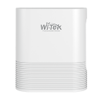 | Wi-Fi 6 3000M Indoor Mesh Wi-Fi 1 WAN + 1 WAN/LAN + 2LAN, 3 x Gigabit Ethernet 2.4GHz 574Mbps+5.8Ghz 2402Mbps *MTK chipset 512MB RAM, 128MB Flash, 100mW TX Power, access 128 users 4*5dBi inside antenna Support 160MHz bandwidth for 5GHz Support Dual WAN for ISP line access Support Easy Mesh Connect design for big area Wireless Coverage Support Manage your network through at Wi-Tek App 12V 1A DC Adapter Included | 81.00 €

WI-AP717MP V2 | 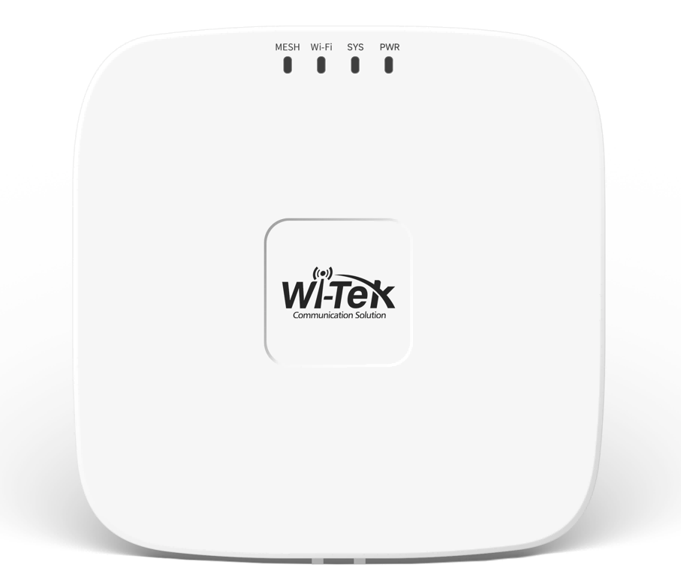 | AC1200M Indoor Wireless Mesh Wi-Fi 1 WAN+ 2LAN, 3 x Gigabit Ethernet 11AC Wave2, 2.4GHz 300Mbps+5.8Ghz 887Mbps MTK chipset 128MB RAM, 16MB Flash, 100mW TX Power, access 60users 4*5dBi inside antenna Support 1 x 802.3bt PoE Input+ 2 x 802.3af/at PoE Output Support Easy Mesh Connect design for big area Wireless Coverage Support Cloud Managed 48V 60W Gigabit PoE Adapter Included Support SD-LAN and open-vpn function （ Operating mode: Router Mode) | 142.00 €

WI-AP718M V2 | 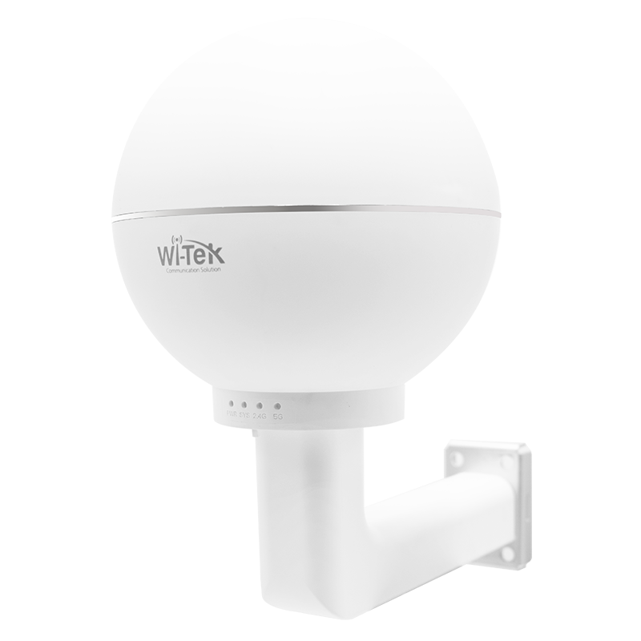 | Support Easy Mesh protocol, quick mesh link networking. 1200Mbps Wireless Outdoor Mesh Access Point 1 Gigabit Ethernet PoE ports 300Mbps at 2.4GHz + 867Mbps at 5GHz Support fast roaming technology IP65 weatherproof Support cloud and Web/APP management, internet quick setup. | 248.00 €

Cloud L3 Managed Switch
WI-PCMS528F-L3 V2 |  | L3 managed Cloud PoE Switch. 24 Gigabit Ethernet RJ-45 PoE+ ports and 4 10G SFP+ slots. All RJ-45 ports comply with 802.3af/at PoE standard and output up to 30W PoE power per port. 370 W Max PoE power budget. Abandant L3 management function, supports static routing, RIP, OSPF, DHCP server, DHCP snooping, ACL, ERPS, Spaning tree, QoS policies, Multicast function and diversified VLAN functions. Support ONVIF device detect. Cloud Platform Remote Management. Users can view the network status, modify the configuration, and troubleshoot anywhere and anytime. | 806.00 €

WI-PCMS554F-L3 V2 |  | L3 managed Cloud PoE Switch. 48 Gigabit Ethernet RJ-45 PoE+ ports and 6 10G SFP+ slots. All RJ-45 ports comply with 802.3af/at PoE standard and output up to 30W PoE power per port. 370W Max PoE power budget. Abandant L3 management function, supports static routing, RIP, OSPF, DHCP server, DHCP snooping, ACL, ERPS, Spaning tree, QoS policies, Multicast function and diversified VLAN functions. Support ONVIF device detect. Cloud Platform Remote Management. Users can view the network status, modify the configuration, and troubleshoot anywhere and anytime. | 1,084.00 €

WI-PCMS554FP-L3 | 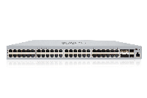 | L3 managed Cloud PoE Switch. New high quality silve case design. 48 1000Mbps PoE ports and 6 10G SFP+. 800W Power budget. Abundant L3 functions, it supports RIP, OSPF, DHCP, etc. helping to build scalable and reliable networks. Remote management and Configuration on Cloud WEB/Mobile APP. | 1,306.00 €

WI-CGS5328-L3 V2 | 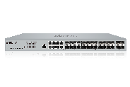 | Cloud L3 managed fiber Ethernet Switch. New high quality silver case design. 8 1000Mbps Combo SFP, 16 Gigabit SFP ports and 4 10G SFP+. Abundant L3 functions, it supports RIP, OSPF, DHCP, etc. helping to build scalable and reliable networks. Remote management and Configuration on Cloud WEB/Mobile APP. | 792.00 €

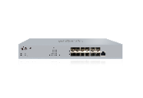
WI-CFS6012-L3 |  | Cloud L3 managed fiber aggregation Switch. High quality silver case design. 12 10G SFP+. Abundant L3 functions, it supports RIP, OSPF, DHCP, etc. helping to build scalable and reliable networks. Remote management and Configuration on Cloud WEB/Mobile APP. | 639.00 €

WI-PCMS5010BT-L3 |  | Cloud L3 managed PoE Switch. New high quality silver case design. 8 2.5G 90W 802.3bt PoE ports and 2 10G SFP+. 130W Power budget. Abundant L3 functions, it supports RIP, OSPF, DHCP, etc. helping to build scalable and reliable networks. Remote management and Configuration on Cloud WEB/Mobile APP. | 667.00 €

WI-CMS6006F-L3 |  | 2 10Gbps RJ45 Ports and 4 10Gbps SFP+ Slots Abundant L3 Features: Static Routing, RIP, OSPF, DHCP Server/Relay Reliable Security Functions: ACL, DoS Defend, DHCP Snooping, 802.1X, IP-MAC-Port Binding Rich QoS Policies for Flexible Resource Allocation Multiple VLAN Protocols Help with Traffic Separation and Enhance Network Reliability Support Web, CLl, Telnet, SNMP, RMON Support Intelligent Fan Control Support Magnetic, Wall-mount, Desktop Installation Support Cloud Management for easy and flexible maintenance | 417.00 €

WI-CMS528F-L3 |  | Cloud L3 managed Switch. 24 1000Mbps RJ45 ports and 4 10G SFP+ slots. Abundant L3 functions, it supports RIP, OSPF, DHCP, etc. helping to build scalable and reliable networks. Reliable Security Functions: ACL, DHCP Snooping, IP-MAC-Port Binding Remote management and Configuration on Cloud WEB/Mobile APP. | 375.00 €

WI-CMS554F-L3 |  | Cloud L3 managed Switch. 48 1000Mbps RJ45 ports and 6 10G SFP+ slots. Abundant L3 functions, it supports RIP, OSPF, DHCP, etc. helping to build scalable and reliable networks. Reliable Security Functions: ACL, DHCP Snooping, IP-MAC-Port Binding Remote management and Configuration on Cloud WEB/Mobile APP. | 806.00 €

Cloud L2 Managed PoE Switch
WI-PCMS310GF V2 |  | Cloud L2+ managed fiber PoE Switch. New high quality silver case design. 8 1000Mbps PoE ports and 2 1000Mbps SFP. 140W Power budget. Abundant L2+ functions, it supports static routing, DHCP server, ERPS etc. helping to build scalable and reliable networks. Remote management and Configuration on Cloud WEB/Mobile APP. | 220.00 €

WI-PCMS328GF V2 |  | Cloud L2+ managed fiber PoE Switch. New high quality silver case design. 24 1000Mbps PoE ports, 2 1000Mbps SFP and 2 1000Mbps Combo SFP. 370W Power budget. Abundant L2+ functions, it supports static routing, DHCP server, ERPS etc. helping to build scalable and reliable networks. Remote management and Configuration on Cloud WEB/Mobile APP. | 439.00 €

Cloud L2+ Managed Switch
WI-CMS310GF |  | Cloud L2+ managed fiber Ethernet Switch. New high quality silver case design. 8 1000Mbps RJ45 ports and 2 1000Mbps SFP. Abundant L2+ functions, it supports static routing, DHCP server, ERPS etc. helping to build scalable and reliable networks. Remote management and Configuration on Cloud WEB/Mobile APP. | 173.00 €

WI-CMS318GF |  | Cloud L2+ managed fiber Ethernet Switch. New high quality silver case design. 16 1000Mbps RJ45 ports and 2 1000Mbps SFP. Abundant L2+ functions, it supports static routing, DHCP server, ERPS etc. helping to build scalable and reliable networks. Remote management and Configuration on Cloud WEB/Mobile APP. | 273.00 €

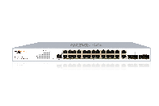
WI-CMS328GF |  | Cloud L2+ managed fiber Ethernet Switch. New high quality silver case design. 24 1000Mbps RJ45 ports, 2 1000Mbps SFP and 2 1000Mbps Combo. Abundant L2+ functions, it supports static routing, DHCP server, ERPS etc. helping to build scalable and reliable networks. Remote management and Configuration on Cloud WEB/Mobile APP. | 303.00 €

Cloud L2 Managed Fiber Aggregation Switch
WI-CGS5026 V2 |  | Cloud L2+ managed fiber Ethernet Switch. New high quality silver case design. 8 1000Mbps RJ45 ports and 18 Gigabit SFP. Abundant L2+ functions, it supports static routing, DHCP server, ERPS etc. helping to build scalable and reliable networks. Remote management and Configuration on Cloud WEB/Mobile APP. | 453.00 €

Cloud Easy Smart Managed PoE Switch
WI-PCES306G V2 |  | 6*10/100/1000Mbps RJ45 port Cloud Easy Smart PoE Switch 4×802.3af/at PoE+ ports, total power supply 60W Support Wi-Tek Cloud management, configure VLAN, restart POE port, mobile phone APP remote maintenance, various real-time alarms, even novice can troubleshoot. Support port automatic anti-loop and automatically close loop ports to ensure business continuity. Support Google map view, let users know the project location, easy to manage Discover the ONVIF protocol, so that the IP camera can automatically identify the cloud topology map. | 78.00 €

WI-PCES310G |  | Cloud Easy smart full Ggiabit PoE switch. 8*10/100/1000Mbps RJ45 PoE Ports, 2*1000Mbps RJ45 uplink ports 8*802.3af/at PoE+ ports, total PoE power of up to 100W Support Wi-Tek Cloud management for real-time monitoring and remote configuration Support port automatic anti-loop to ensure network continuity Support alarm notifications, easy to maintain in real time Support Onvif protocol to automatically identify IP camera | 128.00 €

WI-PCES310GF V2 |  | 8*10/100/1000Mbps RJ45 Ports 2*1000Mbps SFP Slots Cloud Easy Smart PoE Switch 8×802.3af/at PoE+ ports, total power supply 120W Support Wi-Tek Cloud management, configure VLAN, restart POE port, mobile phone APP remote maintenance, various real-time alarms, even novice can troubleshoot. Support port automatic anti-loop and automatically close loop ports to ensure business continuity. Support Google map view, let users know the project location, easy to manage Discover the ONVIF protocol, so that the IP camera can automatically identify the cloud topology map. | 137.00 €

WI-PCES318GF V2 | 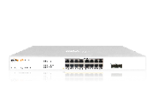 | 16*10/100/1000Mbps RJ45 Ports 2*1000Mbps SFP Slots Cloud Easy Smart PoE Switch 16×802.3af/at PoE+ ports, total power supply 250W Support Wi-Tek Cloud management, configure VLAN, restart POE port, mobile phone APP remote maintenance, various real-time alarms, even novice can troubleshoot. Support port automatic anti-loop and automatically close loop ports to ensure business continuity. Support Google map view, let users know the project location, easy to manage Discover the ONVIF protocol, so that the IP camera can automatically identify the cloud topology map. | 309.00 €

WI-PCES326GF V2 | 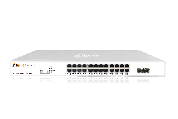 | 24*10/100/1000Mbps RJ45 Ports 2*1000Mbps SFP Slots Cloud Easy Smart PoE Switch 24×802.3af/at PoE+ ports, total power supply 370W Support Wi-Tek Cloud management, configure VLAN, restart POE port, mobile phone APP remote maintenance, various real-time alarms, even novice can troubleshoot. Support port automatic anti-loop and automatically close loop ports to ensure business continuity. Support Google map view, let users know the project location, easy to manage Discover the ONVIF protocol, so that the IP camera can automatically identify the cloud topology map. | 400.00 €

WI-PCES320GFH |  | 16*10/100/1000Mbps PoE+ Ports, 2*1000Mbps Ethernet and 2* 1000Mbps SFP 16*802.3af/at PoE+ ports, total power up to 150W Support Automatic Loop Prevention, 802.1Q VLAN, IGMP Snooping Support alarm notifications, easy to maintain in real-time Support Onvif protocol to automatically identify IP camera Support QoS to ensure high-priority services can work normally | 259.00 €

WI-PCES328GFH |  | 24*10/100/1000Mbps PoE+ Ports, 2*1000Mbps Ethernet and 2* 1000Mbps SFP 24*802.3af/at PoE+ ports, total power up to 250W Support Automatic Loop Prevention, 802.1Q VLAN, IGMP Snooping Support alarm notifications, easy to maintain in real-time Support Onvif protocol to automatically identify IP camera Support QoS to ensure high-priority services can work normally | 328.00 €

WI-PCES352GF |  | 48*10/100/1000Mbps RJ45 Ports, 4*1000Mbps SFP Slots | 778.00 €

100Mbps Cloud Easy Smart 250m PoE Switch
WI-PCES206 |  | Cloud Easy smart PoE Switch. 4 100Mbps PoE ports and 2 100Mbps RJ45 Uplink. Port 1: Hi-PoE output, Port 2-4: 802.3at PoE output 60W PoE Power budget. Support VLAN, PoE congiguration, Loop Prevention etc. Remote management and Configuration on Cloud WEB/Mobile APP. | 55.00 €

WI-PCES210G | 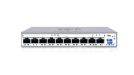 | Cloud Easy smart PoE Switch. 8 100Mbps PoE ports and 2 1000Mbps RJ45 Uplink. Port 1-2: Hi-PoE output, Port 3-8: 802.3at PoE output. 100W PoE Power budget. Support VLAN, PoE congiguration, Loop Prevention etc. Remote management and Configuration on Cloud WEB/Mobile APP. | 88.00 €

WI-PCES218GF | 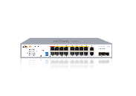 | Cloud Easy smart PoE Switch. 16 100Mbps PoE ports and 2 1000Mbps Combo SFP Uplink. Port 1-2: 802.3bt PoE output, Port 3-16: 802.3at PoE output. 250W PoE Power budget. Support VLAN, PoE congiguration, Loop Prevention etc. Remote management and Configuration on Cloud WEB/Mobile APP. | 217.00 €

WI-PCES226GF | 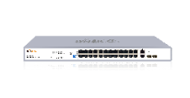 | Cloud Easy smart PoE Switch. 24 100Mbps PoE ports and 2 1000Mbps Combo SFP Uplink. Port 1-2: 802.3bt PoE output, Port 3-24: 802.3at PoE output. 280W PoE Power budget. Support VLAN, PoE congiguration, Loop Prevention etc. Remote management and Configuration on Cloud WEB/Mobile APP. | 273.00 €

4G LTE Outdoor CPE
WI-LTE110-O V2 |  | CAT4 4G transform to Wi-Fi(2.4G 300Mbps) and wired network 1 x 10/100Mbps RJ45 Ports Build in 3G/4G SIM card slot, support LTE-TDD/LTE-FDD, WCDMA/CDMA and GSM networking. Then band adjustable, can comply with all operator in the world. High RF power design,with 2dBi omni 4G antenna, better signal strength and more stable performance. Support 2 power supply: 24V passive PoE or DC12V/1A Support Cloud Managed and SD-LAN function Support 4K HD video transmit Support 10KV Lightning Protection Support IP65 waterproof | 109.00 €

WI-LTE300 V2 | 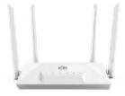 | CAT4 4G transform to Wi-Fi (2.4G 300Mbps) and wired network 3 x 10/100Mbps RJ45 Ports Build in 3G/4G SIM card slot, support LTE-TDD/LTE-FDD, WCDMA/CDMA and GSM networking.Then band adjustable, can comply with all operator in the world. High RF power design, with omni 2.4G/4G antenna, more wireless coverage, better signal strength and more stable performance. Support 4K HD video transmit Support 4G accees, Router mode Support 30users+ for Wi-Fi access,Wi-Fi Coverage 100meters Support Cloud Managed and SD-LAN function | 73.00 €

WI-LTE117-O V2 | 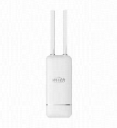 | 4G CAT4 + 2.4G 300Mbps Wi-Fi + 2 * 100Mbps RJ45 port 1* micro SIM slot, support LTE-TDD/LTE-FDD, WCDMA/CDMA and GSM Support 1*802.3at PoE Input, 1*802.3af PoE Output Support 48-54V DC Input, 2*802.3af PoE Output 2*5dBi external 4G antenna, 2*5dBi built-in Wi-Fi antenna. Support IP65 waterproof Support Cloud Managed and SD-LAN function Included 1*48V PoE adapter (Pin 12+ 36-) in packing box | 131.00 €

UPS No-Break Solar PoE Switch
WI-IOT100 |  | Cloud controller for solar powered UPS PoE switch Photovoltaic and battery status real-time and trendline monitor of solar power PoE switch in Wi-Tek cloud 1*100Mbps IEEE 802.3af PoE IN, 1*100Mbps RJ45 1*RS-485 to connect solar powered PoE switch IEEE 802.3af PoE IN and 12~54V DC power supply -20~65 °C operating temperature Included DIN-rail accessories | 64.00 €

WI-PS306GF-UPS-15A V2 | 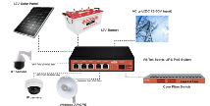 | New update: RS-485 for WI-IOT100 to cloud management! 1*1000Mbps IEEE 802.3bt 60W PoE RJ45, 2*1000Mbps IEEE 802.3af/at 30W PoE RJ45, 2*1000Mbps IEEE 802.3af/at 30W PoE or 24V passive 24W PoE RJ45, 1*1000Mbps SFP 1*RS-485 for WI-IOT100 to cloud management 2*Photovoltaic input, 1* Battery charging &discharging 120W max for whole switch PoE power budget 15A max for battery charging current Support PoE watchdog, Port VLAN, Extend function Operating Temperature: -20 ~ 65°C | 275.00 €

WI-PS306GF-UPS V4 |  | 1*1000Mbps IEEE 802.3bt 90W PoE RJ45, 2*1000Mbps IEEE 802.3af/at 30W PoE RJ45, 2*1000Mbps IEEE 802.3af/at 30W PoE or 24V passive 24W PoE RJ45, 1*1000Mbps SFP 1*RS-485 for WI-IOT100 to cloud management 1*Photovoltaic input, 1*DC input, 1* Battery charging & discharging 120W max for whole switch PoE power budget 10A max for battery charging current Support PoE watchdog, Port VLAN, Extend function Operating Temperature: -20 ~ 65°C Included 24V@5A DC adapter, Wall and desktop mounting accessories | 248.00 €

WI-PS402-UPS-I |  | 2*2.5Gbps PoE RJ45 bt 90W + at 30W @ 12V battery or 2* bt 90W @ 24V battery 1*12V/24V DC@30W Output, 1*DI, 1*Relay 2*Photovoltaic input, 1*DC input, 1* Battery charging &discharging Recommend 440W max. photovoltaic input@12V battery, 880W max. photovoltaic input@24V battery 15A max for battery charging current, support 500Ah max capacity 120W max@12V, 180W max@24V battery for whole switch PoE power budget 1*RS-485 for WI-IOT100 to cloud management -40~75 ℃ operating temperature | 175.00 €

WI-PV100-32 |  | 100W single crystal silicon solar panel, applicable to all solar powered PoE switch. Maximum Power Voltage (Vmp)=18.0V. Maximum Power Current(lmp)=5.5A. Open Circuit Voltage (Voc)=21.6V. Short Circuit Current (lsc)=6.6A. 760*700*30mm Dimensions. 6.8kg Weight. IP65 Junction Box Ingress Protection. Included solar panel with 2.5mm 80cm cable, MC4 connector and 2 MC4 Extension Cord (2.5mm², 150cm, MC4, Without insulation layer at end 0.5cm) for solar powered PoE switch.) | 87.00 €

WI-PV200-39 |  | 200W single crystal silicon solar panel, for 12V battery system, applicable to all solar powered PoE switch Maximum Power Voltage (Vmp)=22.45V Maximum Power Current (Imp)=8.91A Open Circuit Voltage (Voc)=26.01V Short Circuit Current (Isc)=9.41A 1485*668*30mm Dimensions 10.5kg Weight IP65 Included solar panel with 2.5mm2 50cm cable, MC4 connector and MC4 Extension Cord (2.5mm2, 100cm, MC4, Without insulation layer at end 0.5cm) for solar powered PoE switch. | 178.00 €

WI-GD-TMPS | 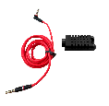 | Temperature sensor Optional accessory only for Wi-Tek solar powered switch/ injector (Compatible Model: WI-PS402-UPS-I, WI-PS306GF-UPS(V4), WI-PS306GF-UPS-15A (V2), WI-PMS306GF-UPS-I) Detection temperature range: -40~140℃ 3.5mm audio jack | 18.00 €

WI-BRKP133 | 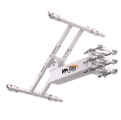 | Designed for the small-medium pole-mounted solar power application Suitable for 76~133mm round pole, compatible with a square pole 540mm~900mm adjustable width, 25mm~35m adjustable depth, 0°~50°(0°~50° is recommended, 0~75° max.) adjustable angle for solar panel SGCC heavy galvanized steel, with baking varnish Anti-ultraviolet, resist corrosion designed for durability in harsh environments | 209.00 €

Alien series 24-48v WISP PoE Switch(Wi-Tek Smart PoE Tech for WISP)
WI-PMS310GF-Alien | 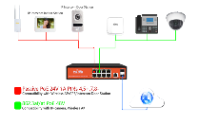 | 8GE+2SFP L2 managed 24V/48V Auto-detect PoE Switch Support 48V 802.3af/at and 24V Passive PoE both Wi-Tek Smart PoE Tech support 8*24/48V PoE output via auto-detect and select in software Support overcurrent protection/short-circuit protection Internl 150W power,dual PoE voltage output design Support QVLAN,QoS and IGMP snooping optimize voice and video application WEB/CLI,SNMP managed modes Working temperature -10℃～55℃ | 262.00 €

WI-PCMS310GF-Alien-I |  | Cloud L2+ managed 24/48V Mixed PoE Switch 8 1000Mbps PoE ports and 2 1000Mbps SFP slots Port 1-2: support Hi-PoE 60W Output, Port 3-8: 24/48V mixed PoE output Industrial level -40-75℃ operating temperature meet the harsh working environment Support 9-52V DC input voltage Remote management and Configuration on Cloud WEB/Mobile APP | 528.00 €

WI-POE60-24V |  | 2*1000Mbps RJ45 Ports with 1*48V 802.3af/at PoE IN, 1*24V (30W) PoE Out Support Passive PoE 24V Output Support DC 36-60V Input Delivers power up to 100 meters Auto-determine the necessary power requirements Plug-and-Play, no configuration Short Circuit Protection Mini Plastic case design Working temperature -10℃～55℃ | 22.00 €

WI-POE90X |  | 2*1000Mbps RJ45 Ports with 1*24V PoE IN, 1*48V 802.3af/at PoE Out Support 802.3af/at PoE 48V output Support Passive PoE 24V Input(45+78-) Support DC 12-57V Input,can work with Smart Solar Controller Delivers power up to 100 meters Auto-determine the necessary power requirements Plug-and-Play, no configuration Short Circuit Protection Iron case design Working temperature -10℃～70℃ | 48.00 €

Smart IoT Products
WI-IOT110 V2 |  | Cloud 4G IOT Wireless Router | 209.00 €

WI-IOTBOXNANO | 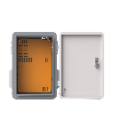 | IP55 Ingress Protection, outstanding dustproof and waterproof design protects the equipment inside the box in the outdoor Inner size (W*D*H) 300*100*400mm Rugged construction can withstand huge external forces without deformation. Advanced Outdoor Protection, Made of aluminum alloy or stainless-steel connecting mounting parts, Electrostatic powder spraying main body, can anti-aging, gas corrosion resistance, UV damage resistance, acid and alkali corrosion resistance, salt spray moisture resistance. The fan on the side panel and ventilation holes on the air duct to help heat dissipation. Microswitch for Advanced Flexible Application to monitor the door open/ close status. | 178.00 €

WI-IOTBOXMINI |  | Housing IP65 and IK10 Deisgn 1.2mm thickness 430 Stainless Steel Material Included Wall mounting and Pole mounting kits Included 1*DIN rails for customer equipment Included 1*DIN Railcircuit breaker, 1*Fan, 1*Microswitch M25 Waterproof Port connectors*2pcs for RJ45 and AC cable IPC/Wireless AP mounting hole cover*2pcs Operating Temperature: -40 ~ 80°C Dimension: Overall Size300*300*206.5mm, lnner Size 250*250*180mm Multiple use for Junction, Distribution, Electrical, Batterv, Control, Monitoring etc. Outdoor waterproof Enclosure Box | 220.00 €

WI-IOTBOX01 V3 |  | Housing IP65 and IK10 Deisgn 1.2mm thickness 430 Stainless Steel Material Included Wall mounting and Pole mounting kits Included DIN Railcircuit breaker*1pcs Waterproof Port connectors*4pcs for RJ45 and AC cable IPC/Wireless AP mounting hole cover*4pcs Operating Temperature: -40 ~ 80°C; Dimension: Overall Size 300*400*200mm; Inner Size 250*350*190mm Multiple use for Junction, Distribution, Electrical, Battery, Control, Monitoring etc. Outdoor waterproof Enclosure Box | 253.00 €

WI-IOTBOX02 V3 | 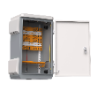 | Housing IP65 and IK10 Deisgn 1.2mm thickness 430 Stainless Steel Material Included Wall mounting and Pole mounting kits Included 3 mounting plate with DIN rails for customer equipment Included DIN Railcircuit breaker*1pcs Waterproof Port connectors*4pcs for RJ45 and AC cable IPC/Wireless AP mounting hole cover*4pcs Operating Temperature: -40 ~ 80°C Dimension: Overall Size 400*600*250mm; Inner Size 350*560*240mm Multiple use for Junction, Distribution, Electrical, Battery, Control, Monitoring etc. Outdoor waterproof Enclosure Box | 362.00 €

WI-IOTBOX03 V3 | 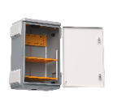 | Housing IP65 and IK10 Deisgn 1.2mm thickness 430 Stainless Steel Material Included Wall mounting and Pole mounting kits Included 2 fixed mounting plate with DIN rails for customer equipment Included DIN Railcircuit breaker*1pcs Waterproof Port connectors*4pcs for RJ45 and AC cable IPC/Wireless AP mounting hole cover*4pcs Operating Temperature: -40 ~ 80°C Dimension: Overall Size 500*700*300mm:lnner Size 450*650*290mm Multiple use for Junction, Distribution, Electrical, Batterv, Control, Monitoring etc. Outdoor waterproof Enclosure Box | 459.00 €

Surge Protection
WI-RP20A-230AC-2P |  | Overvoltage and Undervoltage protection, self recovery design without manual operation. Overvoltage Start Value: 275±5 V Undervoltage Start Value: 175±5 V Rated Current: 20A Rated voltage can be customized | 25.00 €

WI-SPD20KA-2P |  | Built-in instantaneous over-current cut-off component surge protection device Nominal Discharge Current (8/20μs): 10kA Maximum Discharge Current (8/20μs): 20kA With relay output can be used for alarms | 23.00 €

WI-SPD10KV-POE |  | Gigabit DIN-rail PoE Surge Protector Support 1000Mbps Ethernet transmission rate C2 Total Nominal Discharge Current(8/20µs): 20kA C2 Line -PG Protection Level:10KV | 20.00 €

WI-SPD10KV-POE-A |  | Gigabit PoE Surge Protector Support 1000Mbps Ethernet transmission rate C2 Total Nominal Discharge Current(8/20µs): 20kA C2 Line -PG Protection Level:10KV | 19.00 €

Outdoor Waterproof 802.3af/at PoE Switch
WI-PS206-O |  | IP65 weatherproof new enclosure design. Unmanaged Switch. 4*100Mbps PoE Ports, 2*100Mbps Ethernet Uplink Ports. Port 1-2: Hi-PoE 45W, Port 3-4: 802.3af/at 30W. Total power budget of up to 63W. Independent DIP switch mode: Extend, VLAN, PD alive. 6kV surge protection. Working temperature: -30～60℃. All-in-one for easy installation. | 75.00 €

WI-PCES206-O |  | IP65 weatherproof new enclosure design. Cloud Easy smart managed. 4 100Mbps PoE ports and 2 100Mbps RJ45. Port 1：Hi-PoE， Port 2-4: 30W PoE. Independent DIP switch mode: Extend, VLAN, PD alive. Support Wi-Tek Cloud management for real-time monitoring and remote configuration. Support alarm notifications, easy to maintain in real time Support Onvif protocol to automatically identify IP camera | 95.00 €

WI-PS210-O |  | IP65 weatherproof new enclosure design. Unmanaged Switch. 8*100Mbps PoE Ports, 2*100Mbps Ethernet Uplink Ports. Port 1-2: Hi-PoE 45W, Port 3-8: 802.3af/at 30W. Total power budget of up to 112.78W. Independent DIP switch mode: Extend, VLAN, PD alive. 6kV surge protection. Working temperature: -30～60℃. All-in-one for easy installation. | 95.00 €

WI-PCES210G-O |  | IP65 weatherproof new enclosure design. Cloud Easy Smart Managed Switch. 8*100Mbps PoE Ports, 2*1000Mbps Ethernet Uplink Ports. Port 1-2: Hi-PoE 45W, Port 3-4: 802.3af/at 30W. Total power budget of up to 102.4W. Independent DIP switch mode: Extend, VLAN, PD alive. Support Wi-Tek Cloud management for real-time monitoring and remote configuration. Support alarm notifications, easy to maintain in real time. Support Onvif protocol to automatically identify IP camera. 4kV surge protection. Working temperature: -30～60℃. All-in-one for easy installation. | 123.00 €

WI-PCES306G-O |  | IP65 weatherproof new enclosure design. Cloud Easy smart managed. 4 1000Mbps PoE+ ports and 2 1000Mbps RJ45 uplink. Port 1-4: 802.3af/at 30W PoE. Support Wi-Tek Cloud management for real-time monitoring and remote configuration. Support alarm notifications, easy to maintain in real time Support Onvif protocol to automatically identify IP camera | 123.00 €

WI-PCES309GF-O |  | Weatherproof new enclosure design. Cloud Easy smart managed full Gigabit PoE Switch. 2* 1000Mbps 802.3bt PoE++ ports, 6*802.3at PoE+ ports, 1 *1000Mbps RJ45 and 1 *1000Mbps SFP uplink ports. Support Wi-Tek Cloud management for real-time monitoring and remote configuration. Support alarm notifications, easy to maintain in real time Support Onvif protocol to automatically identify IP camera Independent DIP switch mode: Extend, VLAN, PD alive. | 195.00 €

WI-PCMS310GF-O V2 |  | 8*10/100/1000Mbps RJ45 PoE Ports, 2*100/1000Mbps SFP Slots Port 1-2: 802.3af/at/bt Port 3-8: 802.3af/at Support cloud management, easy to maintain and manage Supports Web, CLI (Console Port, Telnet, SSH), SNMP and RMON to bring powerful management capabilities Supports ACL, DoS Defend, Storm control, DHCP Snooping and other security policies to protect your network. Weatherproof and dustproof enclosure design, to address the unique challenges of variable weather environments | 267.00 €

250meters Economic 802.3af/at PoE Switch for CCTV
WI-PS205H V3 |  | 4FE+2FE Uplink Ports 250M Long Range PoE Switch with 4PoE Port Supports PoE power up to 30W for each port Supports PoE IEEE 802.3af/at compliant PDs Internal power adapter supply 40W Support working mode CCTV (250m PoE+Port VLAN) 2K entry MAC address table with auto-learning and auto-aging Realtek Switch Chipset guarantee stable performance Supports smart watchdog function to monitor compliant PD | 34.00 €

WI-PS210H V3 |  | 8FE+2FE Uplink Ports 250M Long Range PoE Switch with 8Port PoE Supports PoE power up to 30W for each port Supports PoE IEEE 802.3af/at compliant PDs Internal power adapter supply 65W Support working mode CCTV (250m PoE+Port VLAN) 4K entry MAC address table with auto-learning and auto-aging Realtek Switch Chipset guarantee stable performance Supports smart watchdog function to monitor compliant PD | 46.00 €

WI-PS518GH |  | 16FE+1GE+1Combo SFP Ports 250M Long Range PoE Switch with 16Port PoE Supports PoE power up to 30W for each port Supports PoE IEEE 802.3af/at compliant PDs Internal power adapter supply 150W Support working mode CCTV (250m PoE+Port VLAN) and VLAN 8K entry MAC address table with auto-learning and auto-aging Realtek Switch Chipset guarantee stable performance Supports smart watchdog function to monitor compliant PD | 164.00 €

WI-PS526GH |  | 24FE+1G+1Combo SFP Ports 250M Long Range PoE Switch with 24Port PoE Supports PoE power up to 30W for each port Supports PoE IEEE 802.3af/at compliant PDs Internal power adapter supply 200W Support working mode VLAN and Extend (250m PoE) 8K entry MAC address table with auto-learning and auto-aging Realtek Switch Chipset guarantee stable performance Supports smart watchdog function to monitor compliant PD | 220.00 €

WI-PS305GH |  | 4GE+1GE Ports 250M Long Range PoE Switch with 4Port PoE Supports PoE power up to 30W for each port Supports PoE IEEE 802.3af/at compliant PDs Support working mode CCTV (250m PoE+Port VLAN) and VLAN Internal power adapter supply 45W 4K entry MAC address table with auto-learning and auto-aging Realtek Switch Chipset guarantee stable performance Supports smart watchdog function to monitor compliant PD | 59.00 €

WI-PS308GH V2 |  | 8GE+2GE Ports 250M Long Range PoE Switch with 8Port PoE Supports PoE power up to 30W for each port Supports PoE IEEE 802.3af/at compliant PDs Support working mode CCTV (250m PoE+Port VLAN) and VLAN Internal power adapter supply 65W 4K entry MAC address table with auto-learning and auto-aging Realtek Switch Chipset guarantee stable performance Supports smart watchdog function to monitor compliant PD | 95.00 €

WI-PS309GFH |  | 8GE+1GE+1SFP 250M Long Range PoE Switch with 8Port PoE Supports PoE power up to 30W for each port Supports PoE IEEE 802.3af/at compliant PDs Support working mode CCTV (250m PoE+Port VLAN) and VLAN Internal power adapter supply 65W 4K entry MAC address table with auto-learning and auto-aging Realtek Switch Chipset guarantee stable performance Supports smart watchdog function to monitor compliant PD | 109.00 €

WI-PS318GFH |  | 16GE+2Combo SFP 250M Long Range PoE Switch with 16Port PoE Supports PoE power up to 30W for each port Supports PoE IEEE 802.3af/at compliant PDs Support working mode CCTV (250m PoE+Port VLAN) and VLAN Internal power adapter supply 200W 8K entry MAC address table with auto-learning and auto-aging Realtek Switch Chipset guarantee stable performance Supports smart watchdog function to monitor compliant PD | 270.00 €

WI-PS326GFH |  | 24GE+2SFP 250M Long Range PoE Switch with 24Port PoE Supports PoE power up to 30W for each port Supports PoE IEEE 802.3af/at compliant PDs Support working mode CCTV (250m PoE+Port VLAN) and VLAN Internal power adapter supply 280W 8K entry MAC address table with auto-learning and auto-aging Realtek Switch Chipset guarantee stable performance Supports smart watchdog function to monitor compliant PD | 373.00 €

Gigabit Ethernet Switch
WI-SG116D V3 |  | 16xGigabit Desktop Ethernet Switch 16 Auto-Negotiation, Auto-MDI/MDIX Ethernet ports provide smart switching Standard 13-inch Desktop steel case Plug and Play design simplifies installation Plans different power output for different cable lengths Complies with IEEE 802.3, IEEE 802.3u, IEEE 802.3x standards Support Port VLAN mode and QoS | 92.00 €

WI-SG124D V3 |  | 24xGigabit Desktop Ethernet Switch 24 Auto-Negotiation, Auto-MDI/MDIX Ethernet ports provide smart switching Standard 13-inch Desktop steel case Plug and Play design simplifies installation Plans different power output for different cable lengths Complies with IEEE 802.3, IEEE 802.3u, IEEE 802.3x standards Support Port VLAN mode and QoS | 117.00 €

WI-SG116F V2 |  | 16GE+2SFP Full Giga rack-mountable Ethernet Switch 18 Auto-Negotiation, Auto-MDI/MDIX Ethernet ports provide smart switching Standard 19-inch rack-mountable steel case Plug and Play design simplifies installation Plans different power output for different cable lengths Complies with IEEE 802.3, IEEE 802.3u, IEEE 802.3x standards Support Port VLAN mode and QoS | 137.00 €

WI-SG124F V2 |  | 24GE+2SFP Full Giga rack-mountable Ethernet Switch 26 Auto-Negotiation, Auto-MDI/MDIX Ethernet ports provide smart switching Standard 19-inch rack-mountable steel case Plug and Play design simplifies installation Plans different power output for different cable lengths Complies with IEEE 802.3, IEEE 802.3u, IEEE 802.3x standards Support Port VLAN mode and QoS | 159.00 €

2.5G/10G Multi-Gigabit Switch
WI-CES506GF | 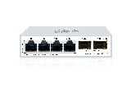 | 4*2.5Gbps RJ45 ports and 2*10G SFP+ ports. High-speed ports perfectly meet the data transmission needs of NAS server, computer, and router. Compact size design with magnetic mounting installation method, easy to install. Support VLAN, port isolation, Loop Prevention etc. Remote management and Configuration on Cloud WEB/Mobile APP. External power adapter. | 109.00 €

WI-CES509GF | 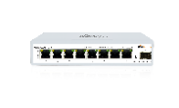 | 8*2.5Gbps RJ45 ports and 1*10G SFP+ ports. High-speed ports perfectly meet the data transmission needs of NAS server, computer, and router. Compact size design with magnetic mounting installation method, easy to install. Support VLAN, port isolation, Loop Prevention etc. Remote management and Configuration on Cloud WEB/Mobile APP. External power adapter. | 192.00 €

WI-PCES509GF | 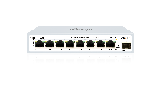 | 8*2.5Gbps PoE ports and 1*10G SFP+ ports. Port 1-8: 802.3AF/AT 30W PoE. High-speed ports perfectly meet the data transmission needs of Wi-Fi 6 AP, NAS server, computer, and router. Compact size design with magnetic mounting installation method, easy to install. Support VLAN, port isolation, PoE configuration Loop Prevention etc. Remote management and Configuration on Cloud WEB/Mobile APP. External power adapter. | 262.00 €

2.5G/10G PoE injector
WI-POE65-2.5G-30W |  | 2*2.5GE PoE Injector with 2*RJ45 Port Support camera, wireless AP, and IP phone etc. All ports support wire speed switch, jumbo frame transmission. Support 802.3af/at 30W PoE Out Plug and play, self-adaption. AC IN 100-220V | 31.00 €

WI-POE65-2.5G-60W |  | 2*2.5GE PoE Injector with 2*RJ45 Port Support camera, wireless AP, and IP phone etc. All ports support wire speed switch, jumbo frame transmission. Support 802.3af/at/bt 60W PoE Out Plug and play, self-adaption. AC IN 100-220V | 55.00 €

Hardened Cloud Easy Smart Switch
WI-PCES306GF-H |  | 4*10/100/1000Mbps RJ45 Ports, 1*1000Mbps RJ45 and 1*1000Mbps SFP Slot | 148.00 €

WI-PCES310GF-H |  | 8*10/100/1000Mbps RJ45 Ports, 1*1000Mbps RJ45 and 1*1000Mbps SFP Slot | 220.00 €

Industrial Cloud Switch
WI-PCMS306GF-I V3 | 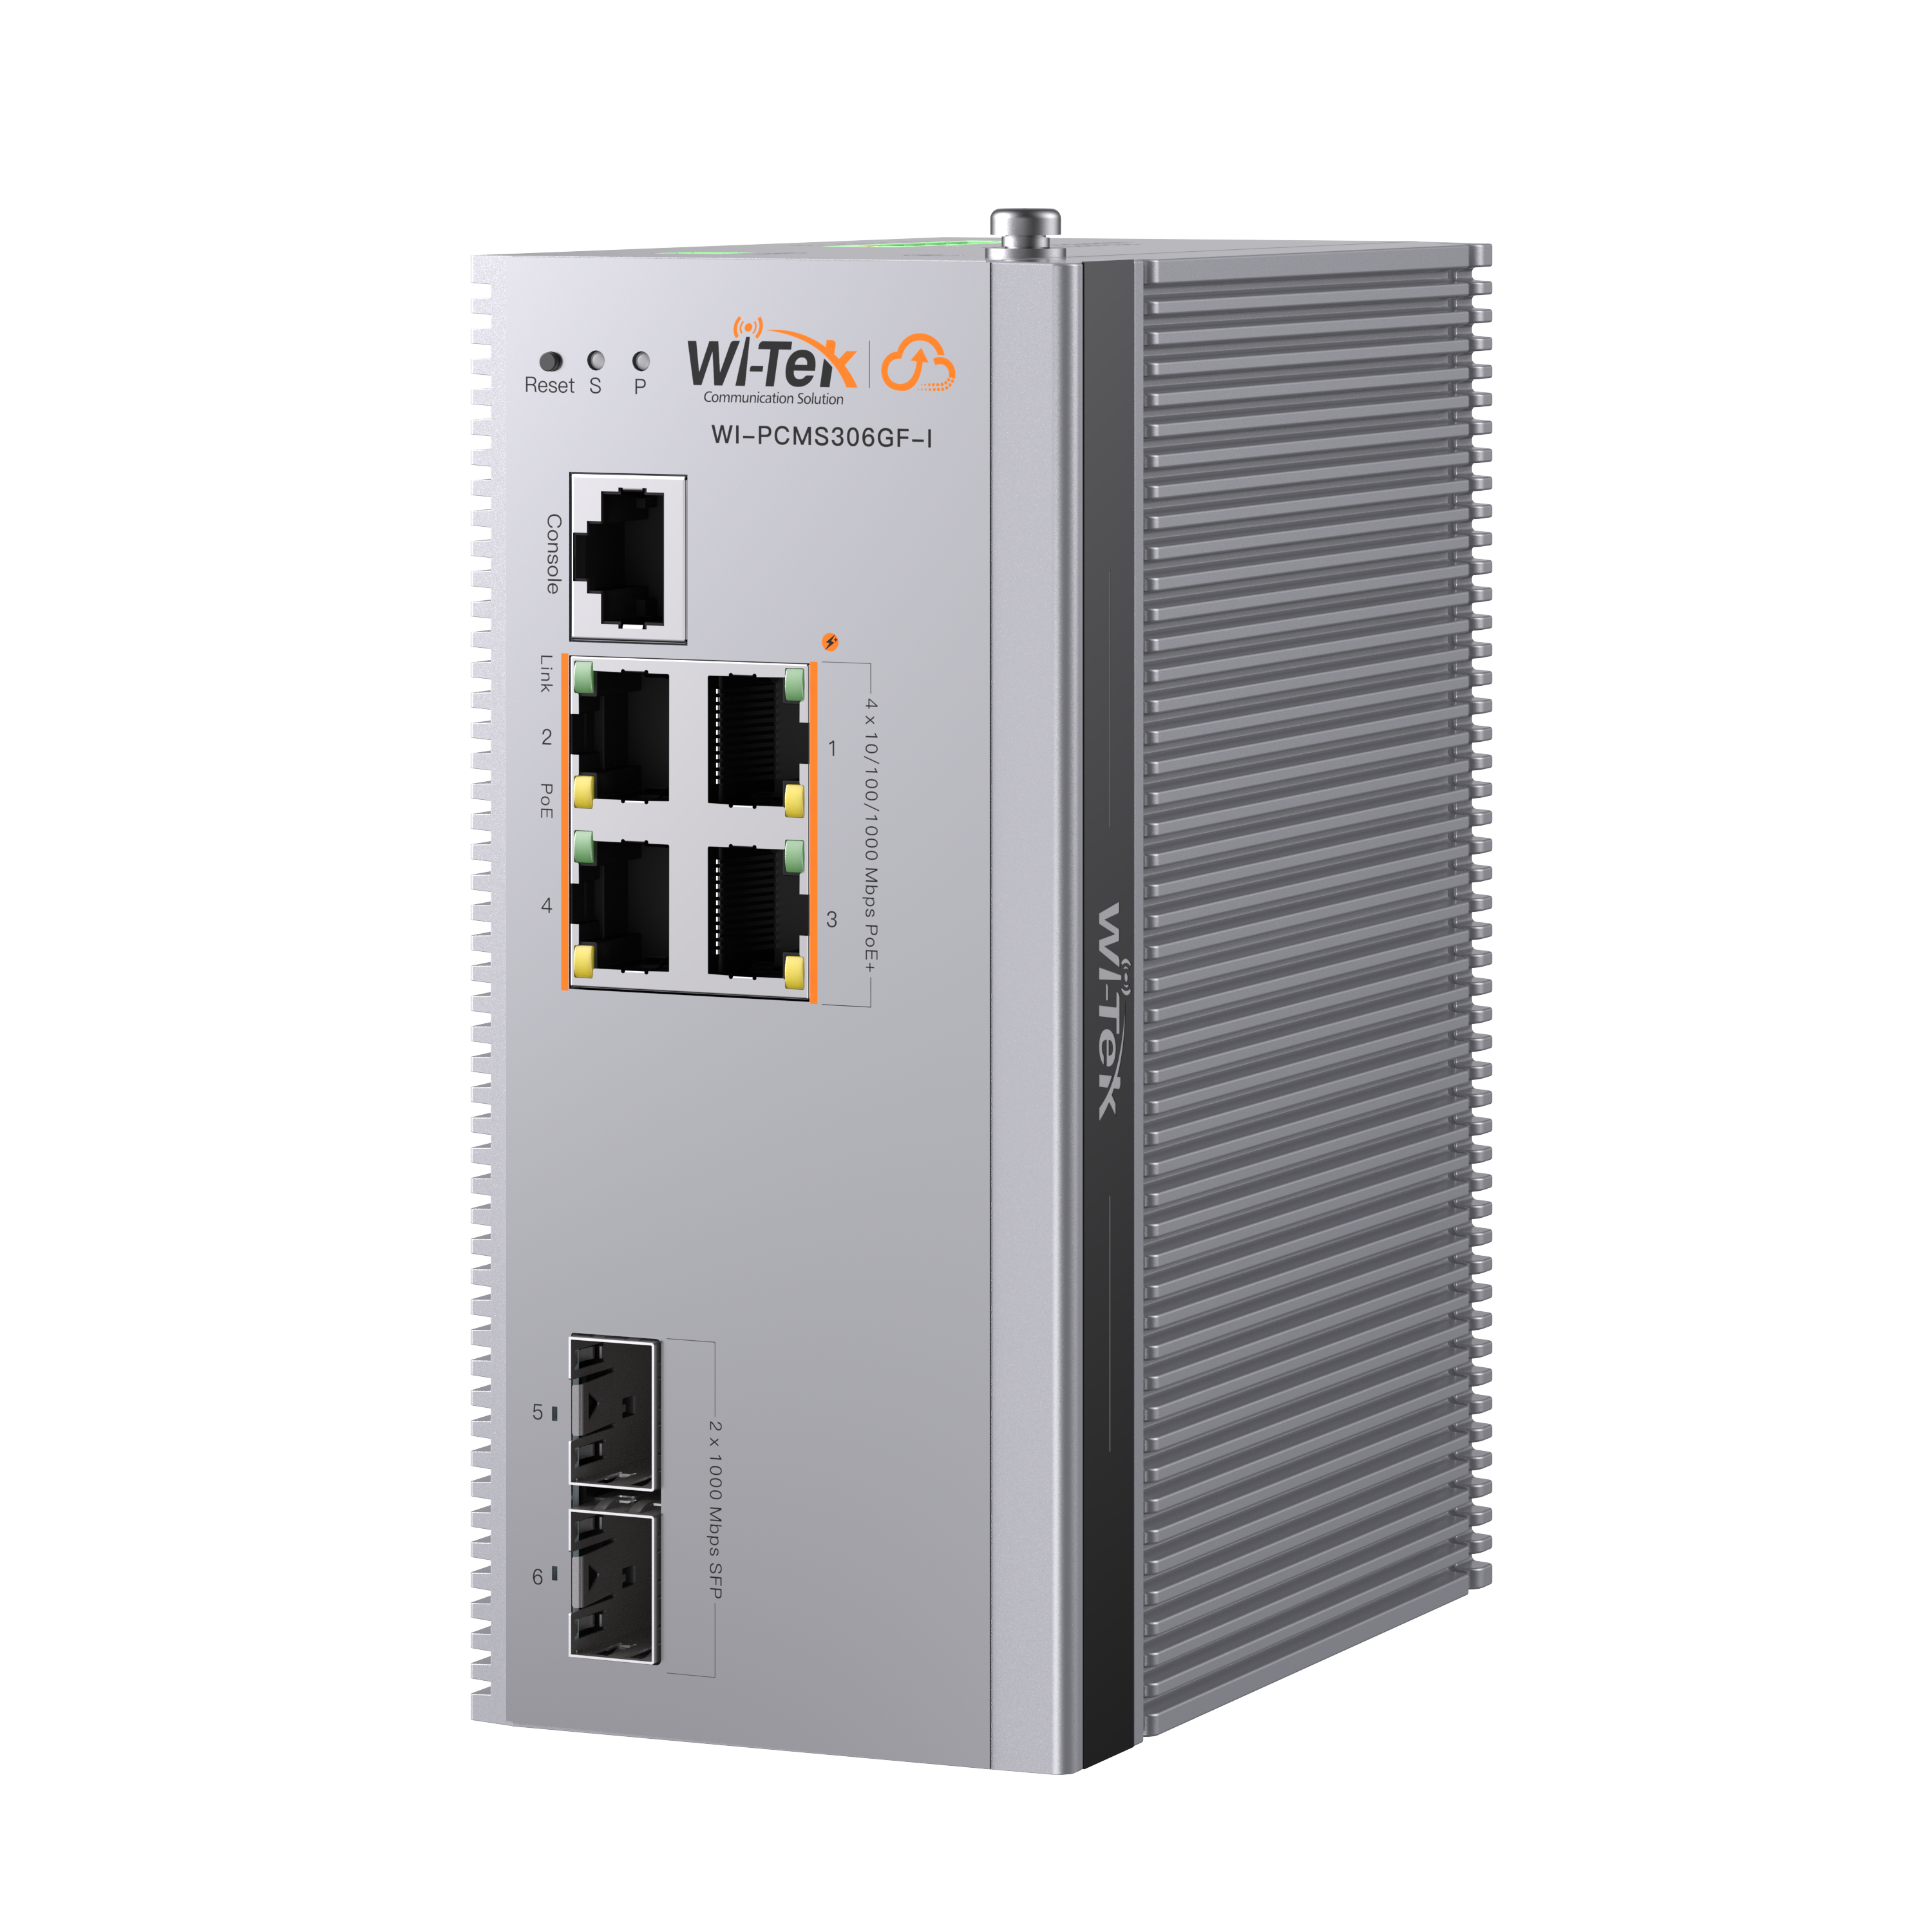 | New metal casing upgrade! Better heat dissipation performance to cope with harsh environments. Industrial Cloud L2+ Managed PoE Switch Easily remote manage your ONVIF camera via the Wi-Tek Cloud platform/ mobile APP. 4*10/100/1000 Base-T PoE+ ports and 2*10/100/1000 Base-X SFP Ports 1-4: 802.3 af/at PoE -40℃~75℃ operating temperature 6kV surge immunity and 8kV ESD protection 120W PoE budget (not include power adapter) | 342.00 €

WI-PCMS310GF-I V3 | 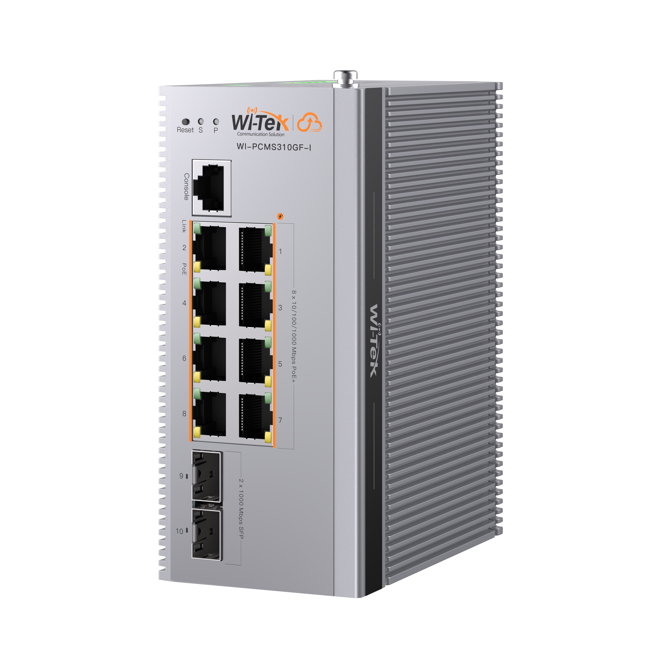 | New metal casing upgrade! Better heat dissipation performance to cope with harsh environments. Industrial Cloud L2+ Managed PoE Switch Easily remote manage your ONVIF camera via the Wi-Tek Cloud platform/ mobile APP. 8*10/100/1000 Base-T PoE+ ports and 2*10/100/1000 Base-X SFP Ports 1-8: 802.3 af/at PoE -40℃~75℃ operating temperature 6kV surge immunity and 8kV ESD protection240W PoE budget (not include power adapter) | 431.00 €

WI-PCMS312GF-BT-I V3 | 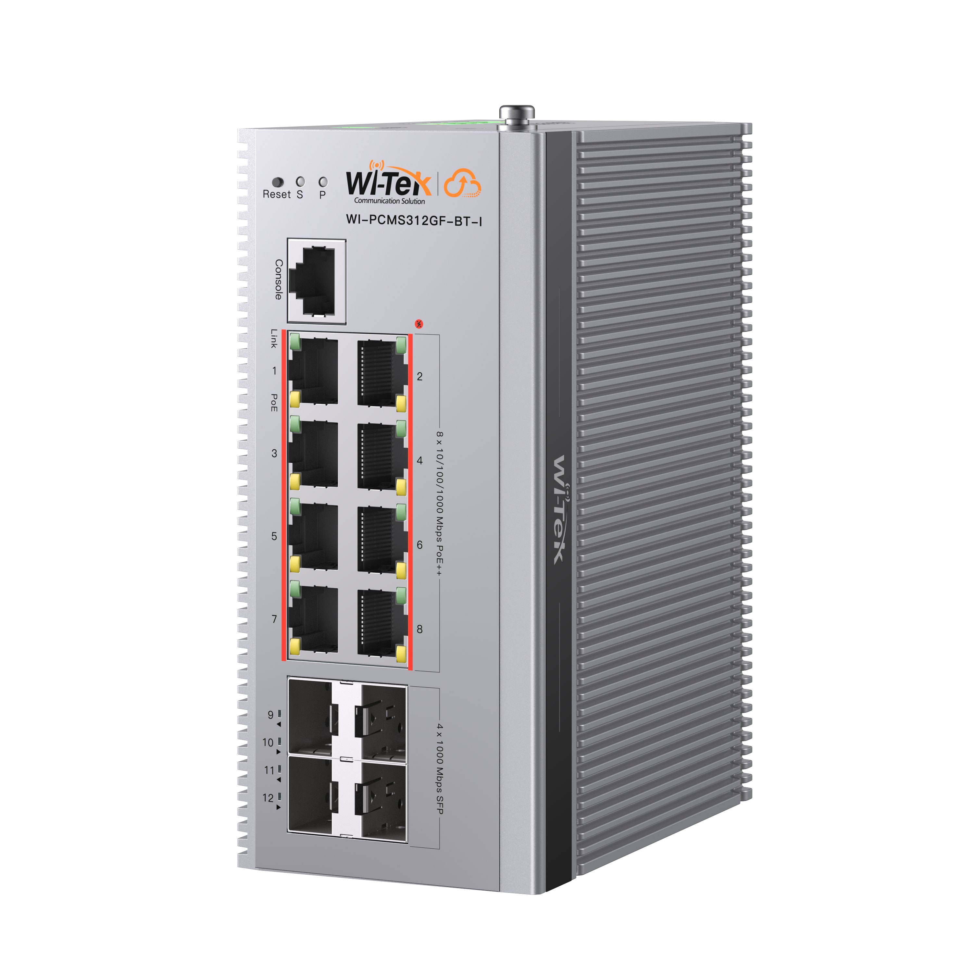 | New metal casing upgrade! Better heat dissipation performance to cope with harsh environments. Industrial Cloud L2+ Managed PoE Switch Easily remote manage your ONVIF camera via the Wi-Tek Cloud platform/ mobile APP. 8*10/100/1000 Base-T PoE++ ports and 4*10/100/1000 Base-X SFP Ports 1-8: 802.3 af/at/bt PoE -40℃~75℃ operating temperature 6kV surge immunity and 8kV ESD protection 460W PoE budget (not include power adapter) | 520.00 €

WI-RSC302PD |  | 1000Mbps PoE to 1000Mbps SFP converter IEEE 802.3af/at PoE IN 9/12/24/48V DC@18W max OUT Dimension: 55mm*54mm*41mm DIN-Rail Installation | 45.00 €

Industrial Flat Switch
WI-PCES310GF-F |  | Industrial Flat-type Switch. Cloud Easy smart PoE Switch. 8 1000Mbps PoE ports and 2 1000Mbps SFP. Port 1-2 support 802.3bt PoE. -40~75℃ operating temperature, 6kV surge immunity and 8kV ESD protection. Support magnetic mounting, DIN-rail mounting installation. Support VLAN, Link aggregation, PoE congiguration, Loop Prevention etc. Remote management and Configuration on Cloud WEB/Mobile APP. | 342.00 €

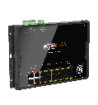
WI-PCES318GF-F |  | 16*10/100/1000 Base-T PoE ports and 2*1000 Base-X SFP | 487.00 €

WI-PS305G-F-M12 Project model (Delivery time 8-10 weeks) | 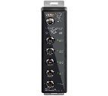 | Industrial M12 Gigabit PoE+ Switch 4 x M12 (X-code) Gigabit PoE+ ports, 1 x M12 (X-code) Gigabit port, 1 x M12 (A-code) power port M12 interfaces design protects against vibration effects for moving bus, train, and other rolling stock applications. IP67 waterproof enclosure design, meet the outdoor harsh environment Operating temperature range of -40° – 75° C Support wall mounting and DIN-rail mounting Not include power adapter EN 50155 Compliance,is certified for railway and rolling stock applications | 778.00 €

WI-PS310G-F-M12 Project model (Delivery time 8-10 weeks) | 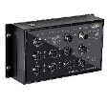 | Industrial M12 Gigabit PoE+ Switch 8 x M12 (X-code) Gigabit PoE+ ports, 2 x M12 (X-code) Gigabit port with Bypass function,1 x M12 (A-code) power port M12 interfaces design protects against vibration effects for moving bus, train, and other rolling s● Operating temperature range of -40° – 75° C Support wall mounting Not include power adapter EN 50155 Compliance,is certified for railway and rolling stock applications | 1,334.00 €

Waterproof Industrial PoE Switch
WI-PCES310GF-FO | 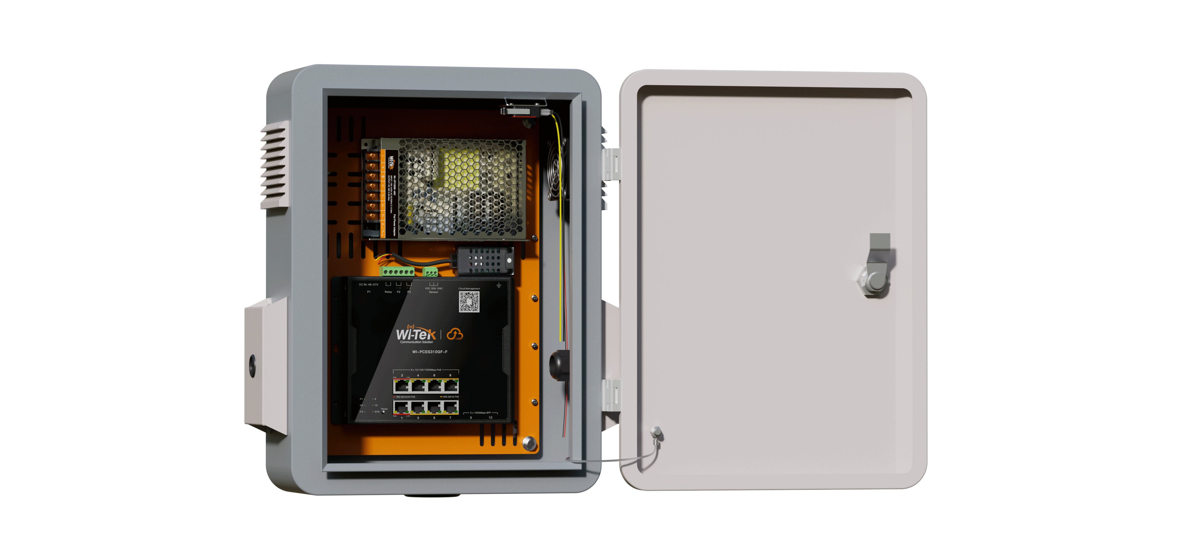 | Cloud Outdoor Waterproof Industrial PoE Soltuion: WI-IOTBOXNANO+ WI-PCES310GF-F+ WI-FP150W-48V , also include Temperature/ humidity sensor and fan. Cloud remote management: You can monitor the status of the box (such as temperature and humidity, fan status), manage and configure switch ports and PoE switches through Wi-Tek Cloud WEB and APP. (Need to access to Internet, router/gateway is not included) 8*10/100/1000 Base-T PoE ports and 2*1000 Base-X SFP Port 1-2: 802.3 af/at/bt PoE, Port3-8:802.3 af/at PoE 48V 150W Industiral Power adapter inclued. IP55 Ingress Protection, outstanding dustproof and waterproof design protects the equipment inside the box in the outdoor Advanced Outdoor Protection, Made of aluminum alloy or stainless-steel connecting mounting parts, Electrostatic powder spraying main body, can anti-aging, gas corrosion resistance, UV damage resistance, acid and alkali corrosion resistance, salt spray moisture resistance. The fan on the side panel and ventilation holes on the air duct to help heat dissipation. Sensing the environment/device temperature, the cloud platform sends a high-temperature alarm notification remotely. -30℃~70℃ operating temperature. Optional accessory： Wall-mounting accessory. | 534.00 €

WI-PCES318GF-FO | 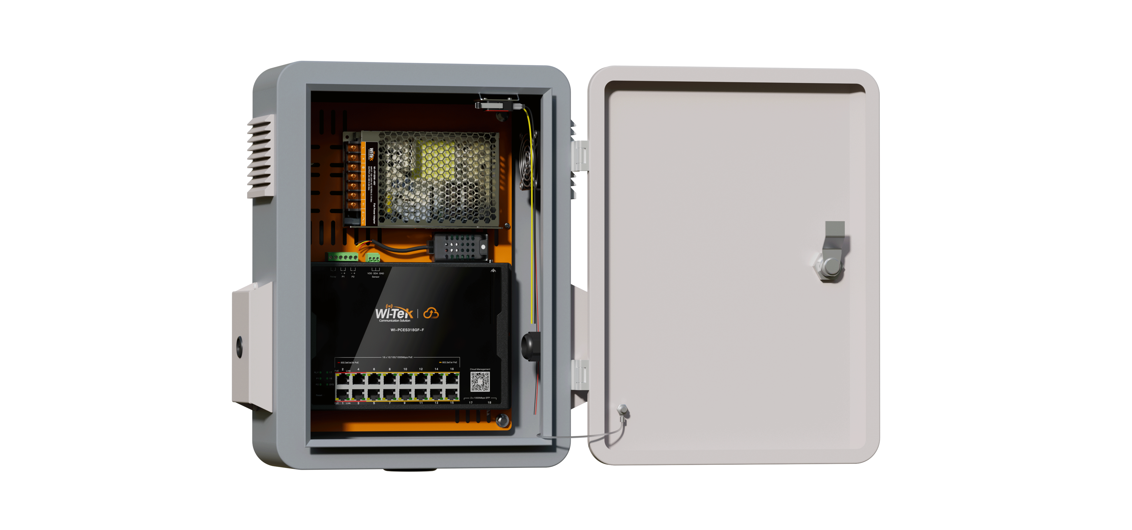 | Cloud Outdoor Waterproof Hardened PoE Soltuion: WI-IOTBOXNANO+ WI-PCES318GF-F+ WI-FP150W-48V , also include Temperature/ humidity sensor and fan. Cloud remote management: You can monitor the status of the box (such as temperature and humidity, fan status), manage and configure switch ports and PoE switches through Wi-Tek Cloud WEB and APP. (Need to access to Internet, router/gateway is not included) 16*10/100/1000 Base-T PoE ports and 2*1000 Base-X SFP slots Port 1-4: 802.3af/at/bt 90W PoE++, Port 5-16: 802.3af/at 30W PoE+ 48V 150W Industiral Power adapter inclued. IP55 Ingress Protection, outstanding dustproof and waterproof design protects the equipment inside the box in the outdoor. Advanced Outdoor Protection, Made of aluminum alloy or stainless-steel connecting mounting parts, Electrostatic powder spraying main body, can anti-aging, gas corrosion resistance, UV damage resistance, acid and alkali corrosion resistance, salt spray moisture resistance. The fan on the side panel and ventilation holes on the air duct to help heat dissipation. Sensing the environment/device temperature, the cloud platform sends a high-temperature alarm notification remotely. -30℃~65℃ operating temperature. Optional accessory： Wall-mounting accessory. | 667.00 €

Superic Industrial Switch
SP3006F |  | 4GE+2SFP Fiber Uplink Unmanaged Industrial PoE Switch with 4Port PoE Port 1-4 Support 802.3af/at 30W PoE Smart DIP Switch: VLAN/Extend/QoS/PoE Watchdog mode Industrial Level 4 protection(ESD,RS,EFT,CS); -40℃～75℃ working temperature 6kV Surge Immunity Support redundant DC 44~57V power input Support DIN-RAIL mounted | 175.00 €

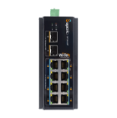
SP3010F |  | 8GE+2SFP Fiber Uplink Unmanaged Industrial PoE Switch with 8Port PoE Port 1-8 Support 802.3af/at 30W PoE Smart DIP Switch: VLAN/Extend/QoS/PoE Watchdog mode Industrial Level 4 protection(ESD,RS,EFT,CS); -40℃～75℃ working temperature 6kV Surge Immunity Support redundant DC 44~57V power input Support DIN-RAIL mounted | 248.00 €

SP3018F | 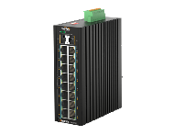 | 16GE+2SFP Fiber Uplink Unmanaged Industrial PoE Switch with 8Port PoE Port 1-8 Support 802.3af/at 30W PoE Smart DIP Switch: Link Aggregation/VLAN/Extend/QoS/PoE Watchdog mode Industrial Level 4 protection(ESD,RS,EFT,CS); -40℃～75℃ working temperature 6kV Surge Immunity Support redundant DC 44~57V power input Support DIN-RAIL mounted | 550.00 €

SP3006FM-L2 V3 |  | New upgrades for both software and hardware. L2+ managed PoE++ switch 2*10/100/1000 Base-T PoE++ RJ-45 ports,2*10/100/1000 Base-T PoE+ RJ-45 ports and 2*1000/2500 Base-X SFP slots Port1-2 complies with IEEE 802.3af/at/bt 90W PoE standard DI/ RS485/ Relay port, temperature sensor included, can intelligently sense the working environment and trigger an alarm by interacting with the relay interface. Support robust L2+ managed function, such as IPv4/ IPv6 Static Routing, VLAN, STP, RSTP, MSTP, IGMP, QoS, DHCP, multicast, ACL, G.8032 ERPS protocol, IPV6 management High level protection design: - 40℃~75℃ operating temperature, 6kV surge immunity for power and Ethernet ports Support DIN-rail and wall mounting installation. | 356.00 €

SP3010FM-L2 V3 |  | New upgrades for both software and hardware. L2+ managed PoE++ switch 2*10/100/1000 Base-T PoE++ RJ-45 ports, 6*10/100/1000 Base-T PoE+ RJ-45 ports and 2*1000/2500 Base-X SFP slots Port1-2 complies with IEEE 802.3af/at/bt 90W PoE standard DI/ RS485/ Relay port, temperature sensor included, can intelligently sense the working environment and trigger an alarm by interacting with the relay interface. Support robust L2+ managed function, such as IPv4/ IPv6 Static Routing, VLAN, STP, RSTP, MSTP, IGMP, QoS, DHCP, multicast, ACL, G.8032 ERPS protocol, IPV6 management High level protection design: - 40℃~75℃ operating temperature, 6kV surge immunity for power and Ethernet ports Support DIN-rail and wall mounting installation. | 445.00 €

SP3012FM-L2 V3 |  | New upgrades for both software and hardware. L2+ managed PoE++ switch 2*10/100/1000 Base-T PoE++ RJ-45 ports, 6*10/100/1000 Base-T PoE+ RJ-45 ports and 4*1000/2500 Base-X SFP slots Port1-2 complies with IEEE 802.3af/at/bt 90W PoE standard DI/ RS485/ Relay port, temperature sensor included, can intelligently sense the working environment and trigger an alarm by interacting with the relay interface. Support robust L2+ managed function, such as IPv4/ IPv6 Static Routing, VLAN, STP, RSTP, MSTP, IGMP, QoS, DHCP, multicast, ACL, G.8032 ERPS protocol, IPV6 management High level protection design: - 40℃~75℃ operating temperature, 6kV surge immunity for power and Ethernet ports Support DIN-rail and wall mounting installation. | 509.00 €

SP5012FM-L2 V2 |  | New upgrades for both software and hardware. L2+ managed PoE++ switch 2*10/100/1000 Base-T PoE++ RJ-45 ports, 6*10/100/1000 Base-T PoE+ RJ-45 ports and 4*10G Base-X SFP+ slots Port1-2 complies with IEEE 802.3af/at/bt 90W PoE standard DI/ RS485/ Relay port, temperature sensor included, can intelligently sense the working environment and trigger an alarm by interacting with the relay interface. Support robust L2+ managed function, such as IPv4/ IPv6 Static Routing, VLAN, STP, RSTP, MSTP, IGMP, QoS, DHCP, multicast, ACL, G.8032 ERPS protocol, IPV6 management High level protection design: - 40℃~75℃ operating temperature, 6kV surge immunity for power and Ethernet ports Support DIN-rail and wall mounting installation. | 639.00 €

SP3018FM-L2 | 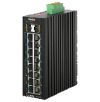 | L2 managed PoE switch 16*10/100/1000 Base-T PoE+ RJ-45 ports and 2*1000/2500 Base-X SFP slot Complies with IEEE 802.3af/at 30W PoE standard, 240W PoE budget max (Not include power adapter) Support robust L2 managed function, such as such as VLAN, VLAN classification, QinQ, port mirroring, STP, RSTP, MSTP, IGMP, QoS, DHCP, multicast, ACL, dying gasp,LLDP, 802.1X, fiber transceiver DDM, PoE management, G.8032 ERPS protocol, IPv6 management - 40℃~75℃ operating temperature 6kV surge immunity for power and Ethernet ports | 820.00 €

S5028FM-16S8C4X-L3 |  | 16*100/1000Mbps SFP, 8*1000Mbps Combo SFP, 4*1G/2.5/10GG SFP+ AC/DC redundant power supply with polarity reverse/over-voltage/over-current protection Abundant Layer 3 features: Supports static and dynamic routing, RIP, OSPF, BGP4, ECMP, VRRP. Support ERPS protocol.Redundant Ring network, auto network recovery, enhance network reliability . Industrial-level protection -40~75℃ and 6kV surge protection, 15kV ESD protection. Quiet fan-less and rack-mount hardware design. Operation temperature: -40 ℃ ~+ 75℃. | 1,917.00 €

S5028FM-16T8C4X-L3 |  | 16* 10/100/1000Mbps RJ45, 8*1000Mbps Combo SFP, 4*1G/2.5/10G SFP+ AC/DC redundant power supply with polarity reverse/over-voltage/over-current protection Abundant Layer 3 features: Supports static and dynamic routing, RIP, OSPF, BGP4, ECMP, VRRP. Support ERPS protocol.Redundant Ring network, auto network recovery, enhance network reliability . Industrial-level protection -40~75℃ and 6kV surge protection, 15kV ESD protection. Quiet fan-less and rack-mount hardware design. Operation temperature: -40 ℃ ~+ 75℃. | 1,806.00 €

WI-VB102-52V |  | Voltage Booster, the golder partner for low-voltage power system, such as solar power or 12V/ 24V DC power adapter. Support 1*12-48V DC input. support 2* 52V DC output. Provide the 52V DC for PoE Industrial switch. 12V DC input: 60W output max, 24/48V DC input: 120W max. | 92.00 €

802.3BT 90W PoE Switch/PoE Injector/PoE Splitter
WI-POE58-BT V2 |  | 1*100/1000/2500Mbps PoE output port with 802.3bt 90W 1*100/1000/2500Mbps Ethernet input port AC IN 100-240V An ideal solution for all of high-speed devices, such as Wi-Fi 6/7 AP Metal casing with high quality Support desktop and wall mount Plug and play, zero configuration | 71.00 €

WI-POE58-BT-I-DC |  | 1GE BT 90W PoE+1GE Uplink Industrial PoE Injector Support camera, wireless AP, and IP phone etc. All ports support wire speed switch, jumbo frame transmission. Support 802.3 af/at/bt standard 90W PoE Output industrial Level 4 Protection (ESD,RS,EFT,CS); -40℃～80℃ working temperature DC Input 12-57V,can work with Smart Solar Controller Support DIN-RAIL mounted | 123.00 €

WI-POE55S-BT-I-DC |  | 1GE(BT 90W PD)+1GE Uplink PoE Splitter DC output 12V/16V/24V/48V by DIP select 48-55V PoE IN Comply to IEEE802.3af/at/bt,90W Max Plug and play, self-adaption. Built-in high performance chip and high specification circuit board Support DIN-RAIL mounted | 92.00 €

IP68 Waterproof Industrial PoE Extender/PoE Inejctor/PoE Splitter
WI-POE21E-O |  | 2GE PoE Output(802.3af/at 30W)+1GE PoE Input(802.3bt 60W) PoE Extender PoE Output Support 100meter long-Range PoE transmit All ports support wire speed switch, jumbo frame transmission. Outdoor IP68 Waterproof design Industrial Level 4 protection(ESD,RS,EFT,CS); -40℃～80℃ working temperature Plug and play, self-adaption. | 100.00 €

WI-POE22E-O |  | 2GE PoE Output(1*802.3af/at 30W+1*802.3af/at 60W)+1GE PoE Input(802.3bt 90W) PoE Extender PoE Output Support 100meter long-Range PoE transmit All ports support wire speed switch, jumbo frame transmission. Outdoor IP68 Waterproof design Industrial Level 4 protection(ESD,RS,EFT,CS); -40℃～80℃ working temperature; Plug and play, self-adaption. | 128.00 €

WI-POE56-60W-I-O |  | 1GE PoE Output (802.3bt 60W)+1GE Ethernet port+1* DC INPUT 24~56V/3A Max PoE Injector Support camera, wireless AP, and IP phone etc. Outdoor IP68 Waterproof design Industrial Level 4 protection(ESD,RS,EFT,CS); -40℃～80℃ working temperature; Plug and play, self-adaption. | 178.00 €

WI-POE56S-BT-I-O |  | 1GE PoE Input (802.3af/at/bt 90W)+1GE Ethernet Output port+1* DC Output 12V/5A Max PoE Splitter Support camera, wireless AP, and IP phone etc. Outdoor IP68 Waterproof design Industrial Level 4 protection(ESD,RS,EFT,CS); -40℃～80℃ working temperature; Plug and play, self-adaption. | 137.00 €

PoE Injector,Splitter and Extender
WI-POE31-48V |  | 2FE PoE Injector with 2*RJ45 Port Support camera, wireless AP, and IP phone etc. All ports support wire speed switch, jumbo frame transmission. Support 802.3af/at PoE Out Plug and play, self-adaption. AC IN 100-220V | 14.00 €

WI-POE51-48V V2 |  | 2GE PoE Injector with 2*RJ45 Port Support camera, wireless AP, and IP phone etc. All ports support wire speed switch, jumbo frame transmission. Support 802.3af/at PoE Out Plug and play, self-adaption. AC IN 100-220V | 27.00 €

WI-POE31-24V |  | 2FE PoE Injector with 2*RJ45 Port Support Ubnt,Mikrotik,Cambium, Wi-Tek brand CPE etc All ports support wire speed switch, jumbo frame transmission. Support 24V PoE Out(PoE PIN 45+ 78-) Plug and play, self-adaption. AC IN 100-220V | 14.00 €

WI-POE51-24V |  | 2GE PoE Injector with 2*RJ45 Port Support Ubnt,Mikrotik,Cambium, Wi-Tek brand CPE etc. All ports support wire speed switch, jumbo frame transmission. Support 24V PoE Out(PoE PIN 45+ 78-) Plug and play, self-adaption. AC IN 100-220V | 25.00 €

WI-POE55-48V-60W |  | 2GE PoE Injector with 2*RJ45 Port (60W) Support camera, wireless AP, and IP phone etc. All ports support wire speed switch, jumbo frame transmission. Support Hi-PoE standard 60W PoE Output Plug and play, self-adaption. AC IN 100-220V | 42.00 €

WI-POE62-24V |  | 1*10/100/1000Mbps PoE output port with passive 24V 24W 1*10/100/1000Mbps Ethernet input port DC IN 9-32V Boost PoE Injector provides stable PoE in low-voltage environments, ensuring reliable power delivery even at lower supply voltages. Metal casing with high quality Support desktop and wall mount | 31.00 €

WI-POE62-48V |  | 1*10/100/1000Mbps PoE output port with 802.3af/at PoE+ 1*10/100/1000Mbps Ethernet input port DC IN 9-42V Boost PoE Injector provides stable PoE in low-voltage environments, ensuring reliable power delivery even at lower supply voltages. Metal casing with high quality Support desktop and wall mount | 42.00 €

WI-POE11S-48V |  | Single 100Mbps fast PoE Splitter with 2*RJ45 Port DC output 12V 1A 48V PoE IN Comply to IEEE802.3af/at Support camera, wireless AP, and IP phone etc. All ports support wire speed switch, jumbo frame transmission. Powered by 802.3af/at PoE device Plug and play, self-adaption. Built-in high performance chip and high specification circuit board | 8.00 €

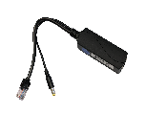
WI-POE51S-48V |  | 1*10/100/1000Mbps PoE input with 802.3 af/at 30W 1*10/100/1000Mbps Ethernet output port Support stable DC 12V/2A max power output Working temparature: 0°C~50°C Plug and play, no configuration | 19.00 €

WI-POE31S |  | Single Gigabit Industrial PoE Splitter with 2*RJ45 Port DC output 12V 2.5A 48V PoE IN Comply to IEEE802.3af/at Support camera, wireless AP, and IP phone etc. All ports support wire speed switch, jumbo frame transmission. Powered by 802.3af/at PoE device Plug and play, self-adaption. Built-in high performance chip and high specification circuit board -40℃--80℃ | 39.00 €

WI-PE21E |  | 1FE PoE Output+1FE PoE Input 100Mbps PoE Extender PoE Output Support 100meter long-Range PoE transmit All ports support wire speed switch, jumbo frame transmission. Support 802.3af/at 30W PoE Input and Output Mini Plastic case design DC Input 37-57V | 24.00 €

WI-PE31E |  | 2FE PoE Output+1FE PoE Input 100Mbps PoE Extender PoE Output Support 250meter long-Range PoE transmit by DIP switch All ports support wire speed switch, jumbo frame transmission. Support 802.3af/at 30W PoE Input and Output Plug and play, self-adaption. DC Input 48-55V | 30.00 €

WI-PE51E |  | 4FE PoE Output+1FE PoE Input +1FE Uplink port 100Mbps PoE Extender PoE Output Support 250meter long-Range PoE transmit by DIP switch PoE Input port support 60W Hi-PoE All ports support wire speed switch, jumbo frame transmission. Support 802.3af/at 30W PoE Output Plug and play, self-adaption. DC Input 48-55V | 46.00 €

WI-PE21G |  | 1GE PoE Output+1GE PoE Input Gigabit PoE Extender PoE Output Support 100meter long-Range PoE transmit All ports support wire speed switch, jumbo frame transmission. Support 802.3af/at 30W PoE Input and Output Mini Plastic case design DC Input 37-57V | 32.00 €

WI-PE31G |  | 2GE PoE Output+1GE PoE Input Gigabit PoE Extender PoE Output Support 250meter long-Range PoE transmit by DIP switch All ports support wire speed switch, jumbo frame transmission. Support 802.3af/at 30W PoE Input and Output Plug and play, self-adaption. DC Input 48-55V | 41.00 €

WI-PE51G |  | 4GE PoE Output+1GE PoE Input PoE Extender PoE Output Support 250meter long-Range PoE transmit by DIP switch PoE Input port support 90W Hi-PoE All ports support wire speed switch, jumbo frame transmission. Support 802.3af/at 30W PoE Output Plug and play, self-adaption. DC Input 48-55V | 62.00 €

Gigabit SFP Fiber module
WI-SFP10SC-3KM (sell in pair) |  | 3KM 1.25Gbps Single module Single Fiber Transceivers Tx1310nm/Rx1550nm and Tx1550nm/Rx1310nm FP SFP Distance up to 3km over SMF Simplex SC connector Compliant with SFP MSA Digital Diagnostic Monitoring Hot-pluggable SFP footprint Operating Temperature: 0℃~70℃ | 31.00 €

WI-SFP10LC-3KM (sell in pair) |  | 3KM 1.25Gbps Single module Single Fiber Transceivers Tx1310nm/Rx1550nm and Tx1550nm/Rx1310nm FP SFP Distance up to 3km over SMF Simplex LC connector Compliant with SFP MSA Digital Diagnostic Monitoring Hot-pluggable SFP footprint Operating Temperature: 0℃~70℃ | 28.00 €

WI-SFP10SC-20KM (sell in pair) |  | 20KM 1.25Gbps Single module Single Fiber Transceivers Tx1310nm/Rx1550nm and Tx1550nm/Rx1310nm FP/DFB SFP Distance up to 20km over SMF Simplex SC connector Compliant with SFP MSA Digital Diagnostic Monitoring Hot-pluggable SFP footprint Operating Temperature: 0℃~70℃ | 34.00 €

WI-SFP10LC-20KM (sell in pair) |  | 20KM 1.25Gbps Single module Single Fiber Transceivers Tx1310nm/Rx1550nm and Tx1550nm/Rx1310nm FP/DFB SFP Distance up to 20km over SMF Simplex LC connector Compliant with SFP MSA Digital Diagnostic Monitoring Hot-pluggable SFP footprint Operating Temperature: 0℃~70℃ | 34.00 €

WI-SFP20-20KM (sell in PCS) |  | 20KM 1.25Gbps Single module Double Fiber Transceivers Tx1310nm//Rx1310nm DDM SFP Distance up to 20km over SMF Duplex LC connector Compliant with SFP MSA Digital Diagnostic Monitoring Hot-pluggable SFP footprint Operating Temperature: 0℃~70℃ | 17.00 €

WI-SFP20-2.5G-20KM (sell in PCS) |  | 20KM 2.5Gbps Single module Double Fiber Transceivers Tx1310nm//Rx1310nm DDM SFP Distance up to 20km over SMF Single-mode SFP+ LC Transceiver Compatible with 2.5G Small Form Pluggable Multi-Source Agreement Digital Diagnostic Monitoring Hot-pluggable SFP footprint Operating Temperature: 0℃~70℃ | 23.00 €

WI-SFP10LC-2.5G-20KM (sell in pair) |  | 20KM 2.5Gbps Single module Single Fiber Transceivers Tx1310nm/Rx1550nm and Tx1550nm/Rx1310nm FP/DFB SFP Distance up to 20km over SMF Simplex LC connector Compliant with SFP MSA Digital Diagnostic Monitoring Hot-pluggable SFP footprint Operating Temperature: 0℃~70℃ | 45.00 €

WI-SFP20-10G-20KM (sell in PCS) |  | 20KM 10Gbps Single module Double Fiber Transceivers Tx1310nm//Rx1310nm DDM SFP Distance up to 20km over SMF Single-mode SFP+ LC Transceiver Compatible with 10G Small Form Pluggable Multi-Source Agreement (SFP+ MSA) Digital Diagnostic Monitoring Hot-pluggable SFP footprint Operating Temperature: 0℃~70℃ | 31.00 €

WI-SFP10LC-10G-20KM (sell in pair) |  | 20KM 2.5Gbps Single module Single Fiber Transceivers Tx1270nm/Rx1330nm and Tx1330nm/Rx1270nm FP/DFB SFP Distance up to 20km over SMF Simplex LC connector Compliant with SFP MSA Digital Diagnostic Monitoring Hot-pluggable SFP footprint Operating Temperature: 0℃~70℃ | 73.00 €

WI-SFP21L-550 (sell in PCS) |  | 550M 1.25Gbps Multi module Double Fiber Transceivers Tx850nm//Rx850nm DDM SFP Distance up to 550M over SMF Single-mode SFP+ LC Transceiver Digital Diagnostic Monitoring Hot-pluggable SFP footprint Operating Temperature: 0℃~70℃ | 17.00 €

WI-SFP30 (sell in PCS) |  | 100meters Copper RJ45 SFP Transceivers Compliant with IEEE 802.3ab/ Gigabit Ethernet Standard Distance up to 100meters up 1Gbps Spped 10/100/1000BASE-T with SGMII interface Compliant with SFP MSA Supports MDIX Hot-pluggable SFP footprint Operating Temperature: 0℃~70℃ | 25.00 €

WI-SFP30-10G (sell in PCS) |  | Support 10GBASE-T, 5GBASE-T, 2.5GBASE-T, 1000BASE-T, and 100BASE-TX Transmit data up to 30meters at 10 Gbps (UTP cat.6a or above) Support DDM (Temperature and Voltage) Hot-Pluggable SFP+ Footprint Features Support TX Disable function Fully Metallic Enclosure for Low EMI Operating Temperature: 0℃~70℃ | 81.00 €

Industrial Grade SFP Fiber module
WI-SFP30-10G-I (sell in PCS) |  | Support 10GBASE-T, 5GBASE-T, 2.5GBASE-T, 1000BASE-T, and 100BASE-TX Transmit data up to 30meters at 10 Gbps (UTP cat.6a or above) Support DDM (Temperature and Voltage) Hot-Pluggable SFP+ Footprint Features Support TX Disable function Fully Metallic Enclosure for Low EMI Operating Temperature:-40~85℃ | 103.00 €

WI-SFP30-I (sell in PCS) |  | 100meters Copper RJ45 SFP Transceivers Compliant with IEEE 802.3ab/ Gigabit Ethernet Standard Distance up to 100meters up 1Gbps Spped 10/100/1000BASE-T with SGMII interface Compliant with SFP MSA Supports MDIX Hot-pluggable SFP footprint Operating Temperature:-40~85℃ | 39.00 €

WI-SFP20L-2.5G-20KM-I (sell in PCS) |  | 20KM 2.5Gbps Single module Double Fiber Transceivers Tx1310nm//Rx1310nm DDM SFP Distance up to 20km over SMF Single-mode SFP+ LC Transceiver Compatible with 2.5G Small Form Pluggable Multi-Source Agreement Digital Diagnostic Monitoring Hot-pluggable SFP footprint Operating Temperature:-40~85℃ | 28.00 €

WI-SFP10L-2.5G-20KM-I (sell in pair) |  | 20KM 2.5Gbps Single module Single Fiber Transceivers Tx1310nm/Rx1550nm and Tx1550nm/Rx1310nm FP/DFB SFP Distance up to 20km over SMF Simplex LC connector Compliant with SFP MSA Digital Diagnostic Monitoring Hot-pluggable SFP footprint Operating Temperature: -40~85℃ | 53.00 €

WI-SFP20L-10G-20KM-I (sell in PCS) |  | 20KM 10Gbps Single module Double Fiber Transceivers Tx1310nm//Rx1310nm DDM SFP Distance up to 20km over SMF Single-mode SFP+ LC Transceiver Compatible with 10G Small Form Pluggable Multi-Source Agreement (SFP+ MSA) Digital Diagnostic Monitoring Hot-pluggable SFP footprint Operating Temperature:-40~85℃ | 42.00 €

WI-SFP10L-10G-20KM-I (sell in pair) |  | 20KM 10Gbps Single module Single Fiber Transceivers Tx1270nm/Rx1330nm and Tx1330nm/Rx1270nm FP/DFB SFP Distance up to 20km over SMF Simplex LC connector Compliant with SFP MSA Digital Diagnostic Monitoring Hot-pluggable SFP footprint Operating Temperature: -40~85℃ | 78.00 €

WI-SFP21L-550-I (sell in PCS) |  | 550M 1.25Gbps Multi module Double Fiber Transceivers Tx850nm//Rx850nm DDM SFP Distance up to 550M over SMF Single-mode SFP+ LC Transceiver Digital Diagnostic Monitoring Hot-pluggable SFP footprint Operating Temperature: -40~85℃ | 23.00 €

WI-SPF20L-20KM-I (sell in PCS) |  | 20KM 1.25Gbps Single module Double Fiber Transceivers Tx1310nm//Rx1310nm DDM SFP Distance up to 20km over SMF Duplex LC connector Compliant with SFP MSA Digital Diagnostic Monitoring Hot-pluggable SFP footprint Operating Temperature: -40~85℃ | 23.00 €

WI-SFP10L-20KM-I (sell in pair) |  | 20KM 1.25Gbps Single module Single Fiber Transceivers Tx1310nm/Rx1550nm and Tx1550nm/Rx1310nm FP/DFB SFP Distance up to 20km over SMF Simplex LC connector Compliant with SFP MSA Digital Diagnostic Monitoring Hot-pluggable SFP footprint Operating Temperature: -40~85℃ | 39.00 €

WI-SFP10L-3KM-I (sell in pair) |  | 3KM 1.25Gbps Single module Single Fiber Transceivers Tx1310nm/Rx1550nm and Tx1550nm/Rx1310nm FP SFP Distance up to 3km over SMF Simplex LC connector Compliant with SFP MSA Digital Diagnostic Monitoring Hot-pluggable SFP footprint Operating Temperature: -40~85℃ | 34.00 €

WI-SFP10S-20KM-I (sell in pair) |  | 20KM 1.25Gbps Single module Single Fiber Transceivers Tx1310nm/Rx1550nm and Tx1550nm/Rx1310nm FP/DFB SFP Distance up to 20km over SMF Simplex SC connector Compliant with SFP MSA Digital Diagnostic Monitoring Hot-pluggable SFP footprint Operating Temperature: -40~85℃ | 39.00 €

WI-SFP10S-3KM-I (sell in pair) |  | 3KM 1.25Gbps Single module Single Fiber Transceivers Tx1310nm/Rx1550nm and Tx1550nm/Rx1310nm FP SFP Distance up to 3km over SMF Simplex SC connector Compliant with SFP MSA Digital Diagnostic Monitoring Hot-pluggable SFP footprint Operating Temperature:-40~85℃ | 34.00 €

Wireless Long-Range Transmit for CCTV IP Camera
WI-CPE110-KIT V2 (sell in pair) | 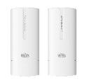 | 2.4GHz 300Mbps 1km Wireless Transmitter for CCTV Long-range wireless transmission up to 1km IEEE 802.11b/g/n Wireless speed up to 300Mbps 2 x 100Mbps Ethernet ports Pre-configuration for usable PTP mode Support quick pairing IP65 ingress protection, -30~60°C working environment Discovery of ONVIF IP cameras and viewing network topology on the Cloud Centralized Management System Wi-Tek Cloud Platform Included 24V PoE power adapter in packing box | 84.00 €

WI-CPE111-KIT V3 (sell in pair) | 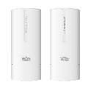 | 2.4GHz 300Mbps 2km Wireless Transmitter for CCTV Long-range wireless transmission up to 2km IEEE 802.11b/g/n Wireless speed up to 300Mbps 2 x 100Mbps Ethernet ports Pre-configuration for usable PTP mode Support quick pairing IP65 ingress protection, -40~70°C working environment Discovery of ONVIF IP cameras and viewing network topology on the Cloud Centralized Management System Wi-Tek Cloud Platform Included 24V PoE power adapter in packing box | 95.00 €

WI-CPE511H-KIT V2 (sell in pair) | 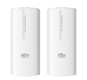 | 5GHz 867Mbps 3km Wireless Transmitter for CCTV Long-range wireless transmission up to 3km IEEE 802.11a/n/ac Wireless speed up to 867Mbps 2 x 100Mbps Ethernet ports Pre-configuration for usable PTP mode Support quick pairing IP65 ingress protection, -40~70°C working environment Discovery of ONVIF IP cameras and viewing network topology on the Cloud Centralized Management System Wi-Tek Cloud Platform Included 24V PoE power adapter in packing box | 128.00 €

WI-CPE513P-KIT V3 (sell in pair) |  | 5.8G 5KM 300M Wireless CPE for CCTV 5KM wireless transmit for Carry 26pcs camera Max Built-in 2×2 dual-polarized directional MIMO 13dBi antenna 802.3af/at PoE Passthrough,can power up camera directly 48V 802.3af/at PoE Adapter lncluded, support 1PoE output for IPC 5.150GHz～5.850GHz Extension Channel auto-connect for PTP application, no need setting software Support google Map view to let users know project location for easy management Discovery ONVIF IP camera and view network topology on Cloud | 212.00 €

WI-CPE800-KIT V3 (sell in pair) | 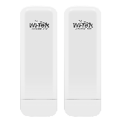 | 5GHz 867Mbps 5km Wireless Transmitter for CCTV 1* 10/100/1000Mbps WAN (af PoE IN) RJ45 port and 1* 10/100/1000Mbps LAN RJ45 port With double polarized 33° degrees antenna with 15dBi 24dBm adjustable transmission power Support IEEE802.3af PoE and 12V DC Input Durable IP65 ingress protection enclosure along with 8kV ESD Pre-configuration by factory for PTP application Support Cloud Managed Discovery ONIVF IP camera and view network topology on Cloud Included 48V PoE power adapter in packing box | 259.00 €

WI-CPE814P |  | 5.8G 5KM 867M Wireless CPE for CCTV Built-in 2×2 dual-polarized directional MIMO 15dBi antenna(Horizon: 33°， vertical: 33°) 1 x 802.3bt 60W PoE IN Port + 3 x 802.3af/at PoE Out Ports 5.150GHz～5.850GHz Extension Channel Button pairing for PTP or PTMP application, no need setting software Discovery ONVIF IP camera and view network topology on Cloud 802.3bt 90W PoE Adapter lncluded | 170.00 €

WI-CPE817 | 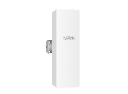 | 5km long-range wireless transmitter 5GHz 900Mbps wireless rate 120°/16dBi built-in antenna provide a wider coverage, ideal choice for central node of PTMP application Provide 100/1000M Ethernet port Standard PoE power supply IP65 protection for outdoor environments Support Wi-Tek Cloud Remotely Management | 242.00 €

WI-CPE821 |  | 360° 5GHz 867Mbps 2km Wireless Transmitter for PTMP CCTV network 1* 1000Mbps PoE IN RJ45 port,Support 802.3af/at PoE input With double polarized 360 degrees antenna with 12dBi 26dBm adjustable transmission power Durable IP65 ingress protection Support one key fast paired Support 5.180GHz~5.825GHz 20/40/80MHz channel bandwidth Support Wi-Tek Cloud management for real-time monitoring and remote configuration. Discovery ONIVF IP camera and view network topology on Cloud Included 48V PoE power adapter in packing box | 342.00 €

WI-BRKC135 | 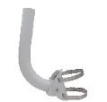 | Designed for the small-medium pole-mounted CPE application Support wall-mounted, square, and round pole-mounted -45°~+25° adjustable angle for CPE Heavy galvanized steel, with baking varnish Anti-ultraviolet, resist corrosion designed for durability in harsh environments | 7.00 €

Fiber Optic Media Converter
WI-MC101M (sell in pair) |  | 25KM 100Mbps Single Fiber Optic Media Converter Ambient temperature: 0 ~ +50°C Storage temperature: -20 ~ +70°C Humidity: 5% ~ 90% Connector: UTP: RJ-45,10/100Mbps; Fiber: SC,100Mbps Support Tag-VLAN,Port-VLANs Supports up to 2k byte JUMBO frame Power adapter 5V/1A included | 48.00 €

WI-MC101G (sell in pair) |  | 25KM 1000Mbps Single Fiber Optic Media Converter Ambient temperature: 0 ~ +50°C Storage temperature: -20 ~ +70°C Humidity: 5% ~ 90% Connector: UTP: RJ-45,100/1000Mbps; Fiber: SC,1000Mbps Support Tag-VLAN,Port-VLANs Supports up to 9k byte JUMBO frame Power adapter 5V/1A included | 85.00 €

WI-MC111GP (sell in pcs) |  | Gigabit PoE SFP Media Converter 1 10/100/1000Mbps Auto-Negotiation RJ45 ports supporting Auto-MDI/MDIX Connector: UTP: RJ-45,100/1000Mbps; Fiber: SFP,1000Mbps RJ45 Port support 802.3af/at PoE output 30W Complies with IEEE 802.3ab,IEEE 802.3af/at and IEEE 802.3z Supports up to 9k byte JUMBO frame FX port supports hot-swappable Maximum transmission distance depends on the inserting SFP Power adapter 48-52V/1A included | 64.00 €

WI-MC301 (sell in pcs) |  | 1*100M/1G/2.5G/5G/10Gbps RJ45 Port 1*1G/10Gbps SFP+ Slot Easily extend the distance of existing networks through fiber optics Compact metal housing design takes up no space Plug and play, easy to use | 109.00 €

WI-MC111GP-O (sell in pcs) |  | Gigabit SFP Outdoor Media Converter 1 10/100/1000Mbps Auto-Negotiation RJ45 ports supporting Auto-MDI/MDIX Connector: UTP: RJ-45,100/1000Mbps; Fiber: SFP,1000Mbps RJ45 Port support 802.3af/at PoE output 30W Complies with IEEE 802.3ab and IEEE 802.3z Supports up to 9k byte JUMBO frame FX port supports hot-swappable Maximum transmission distance depends on the inserting SFP DC Input 44-57V, not include the power adapter IP65 Waterproof Design | 67.00 €

Indoor and Outdoor Cloud AP
WI-AP210-Lite V2 | 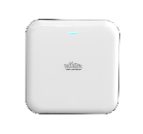 | 802.11N 2.4G 300Mbps Indoor Wireless Ceiling AP MTK chipset 64MB DDR2,8MB Flash,128mW High-Power,access 30users 2*4dBi inside antenna 2 x 100Mbps Ethernet port 48V PoE Support,not include PoE adapter Support hadware controller managed Support QVLAN+SSID, Portal,AC controller Managed and Cloud Managed | 53.00 €

WI-AP216 V2 |  | 802.11AC 2.4G&5.8G 1200Mbps Indoor Wireless Ceiling AP 11AC Wave2 2.4GHz 300Mbps+5.8Ghz 867Mbps MTK chipset 64MB DDR2, 8MB Flash, 200mW High-Power,access 48users 2* 4.6 dBi (2.4G ) + 2* 4dBi (5.8G ) inside antenna 2 x 100Mbps Ethernet port 48V PoE Support,not include PoE adapter Support hadware controller managed Support QVLAN+SSID, Portal,AC controller Managed and Cloud Managed | 64.00 €

WI-AP217-Lite V2 | 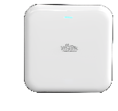 | Wi-Fi 5 1200M Indoor Wireless Ceiling AP 11AC Wave2，300Mbps on 2.4GHz+887Mbps on 5.8Ghz MTK chipset 128MB RAM, 16MB Flash, 100mW High-Power,access 100users 2.4GHz: 2 x 4.6dBi , 5GHz: 2 x 4dBi inside antenna 802.3af PoE Support, 2 x Gigabit Port, not include PoE adapter Support hardware controller managed Support QVLAN+SSID, Portal,AC controller Managed and Cloud Managed | 109.00 €

WI-AP218AX-Lite V2 |  | Wi-Fi 6 1775Mbps Indoor Wireless Ceiling AP 574Mbps on 2.4 GHz and 1201Mbps on 5 GHz MTK chipset 128MB RAM, 16MB Flash, 160mW TX Power,access 150users 2.4GHz: 2 x 4.6dBi , 5GHz: 2 x 4dBi inside antenna 802.3af PoE Support,2 x Gigabit Port, not include PoE adapter Support QVLAN+SSID, Portal,AC controller Managed and Cloud Managed | 114.00 €

WI-AP219AX-Lite V2 | 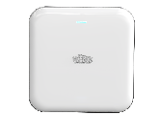 | Wi-Fi 6 3000Mbps Indoor Wireless Ceiling AP High quality exterior design 574Mbps on 2.4 GHz and 2402Mbps on 5 GHz Qualcomm chipset 256MB RAM, 16MB Flash, 160mW TX Power,access 150users 2.4GHz: 2 x 4.6dBi , 5GHz: 2 x 4dBi inside antenna 802.3af PoE Support,2 x Gigabit Port, not include PoE adapter Support QVLAN+SSID, Portal,AC controller Managed and Cloud Managed | 120.00 €

WI-AP219AX V2 | 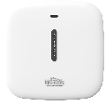 | Wi-Fi 6 5400Mbps Indoor Wireless Ceiling AP High quality exterior design 574Mbps on 2.4 GHz and 4800Mbps on 5 GHz MTK chipset 512MB RAM, 128MB Flash, 160mW TX Power,access 256users 2.4GHz: 2 x 4.6dBi , 5GHz: 2 x 4dBi inside antenna 802.3at PoE Support, 1 x Gigabit Port and 1x 2.5G PoE in Port, not include PoE adapter Support QVLAN+SSID, Portal,AC controller Managed and Cloud Managed | 234.00 €

WI-AP416 |  | 802.11AC 2.4G&5.8G 1200M Indoor Wireless Inwall AP 11AC Wave2 2.4GHz 300Mbps+5.8Ghz 867Mbps MTK chipset 128MB DDR2, 16MB Flash, 100mW High-Power,access 50+users 4*2dB inside antenna 48V PoE Support,2 x 100Mbps Ethernet port, not include PoE adapter Support hardware controller managed Support QVLAN+SSID, Portal,AC controller Managed and Cloud Managed | 64.00 €

WI-AP229BE |  | Wi-Fi 7 BE9300 Tri-band Wireless Access Point 688Mbps on 2.4 GHz + 2882Mbps on 5 GHz + 5764Mbps on 6 GHz Qualcomm chipset 1024MB RAM, 128MB Flash, 24dBm Max.TX Power, access 500 users 2.4GHz: 2 x 1.7dBi ,5GHz: 2 x 4dBi, 6GHz: 2 x 4dBi inside antenna 1 x 10G SFP+ slot and 2x 2.5G Ports Up to 320MHz bandwidth for 6GHz; Up to 160MHz bandwidth for 5GHz Support 4K-QAM, Multi-Link and Multi-Unit for Optimal Network Performance 802.3bt PoE Support (not include PoE adapter) Support QVLAN+SSID, Portal,AC controller Managed and Cloud Managed | 356.00 €

WI-AP419P |  | Wi-Fi 6 3000Mbps Wall-Plate Wireless Access Point 2.4GHz 574Mbps+5.8Ghz 2402Mbps 4 x Gigabit Ethernet, 1 Pass-through Port Qualcomm chipset 512MB RAM, 128MB Flash, 100mW TX Power, access 128 users 5dBi@5GHz + 3dBi@2.4GHz inside antenna 802.3af/at PoE In or DC 48V (not include adapter) Support 1 x PoE Output For IP Phone Support 160MHz bandwidth for 5GHz Support cloud management or AC management. | 162.00 €

WI-AP316AX-Lite |  | Wi-Fi 6 3000Mbps Outdoor Wireless Access Point ● 2.4GHz 574Mbps+5.8Ghz 2402Mbps ● 2 x Gigabit Ethernet ● MTK chipset 256MB RAM, 128MB Flash, 200mW TX Power, access 128 users ● 5dBi@5GHz + 5dBi@2.4GHz external antenna ● 802.3af/at PoE In or DC 12V 1.5A (not include DC adapter) ● Support 160MHz bandwidth for 5GHz ● Support Wall or Pole Mounting, IP65 Weatherproof Rating ● Support cloud management or AC management. | 139.00 €

WI-AP316AX |  | Wi-Fi 6 3000Mbps Outdoor Cloud Wireless AP Qualcomm chipset 128MB DDR2, 16MB Flash, ,access up 250users+ Ultra-Fast Wi-Fi 6 Speeds: Simultaneous 574Mbps on 2.4 GHz and 2402Mbps on 5 GHz totals 2976Mbps Wi-Fi speeds 1 x Gigabit Ethernet (RJ-45)Port (supports IEEE 802.3af/at PoE) 2.5 Gigabit (SFP) port for a lightning-fast user experience IP67 rated, weather and dust sealed Support AP controller and cloud management | 212.00 €

WI-AP520AX-D |  | Blazing-fast Wi-Fi 6 Speed up to 5.4Gbps Outdoor weatherproof wireless AP, adapting to outdoor harsh environments. Built-in High-Gain Directional Antennas Flexible Internet Access with 1GE RJ45 Port and 2.5G SFP Slot 802.3at PoE Input for Flexible Deployment 160MHz Channel Width for Higher Bandwidth and Stable Transmission Cloud Management 48V Gigabit PoE Adapter included | 503.00 €

Cloud AP Controller/Enterprise Load Balance Gateway
WI-AC500 |  | Wireless AP Controller with 6*2.5 Gigabit Ports(1× WAN + 4× WAN/LAN + 1× LAN) Maximum AP managed number up to 500PCS Support Multi-WAN load balance WLAN Radio Spectrum Analysis to ensure work on best channel Unified manage all indoor and outdoor Aps Intra-AC, Inter-AP L2 roaming time less than 40ms Built-in captive portal server and customerized welcome page Support Cloud Managed
 |  |  | 695.00 €

WI-AC150 |  | Wireless AP Controller with 5* Gigabit Ethernet Ports Maximum AP managed number up to 150PCS Support end users access 2000 Support 1-4 WAN ports for load balance WLAN Radio Spectrum Analysis to ensure work on best channel Unified manage all indoor and outdoor Aps Intra-AC, Inter-AP L2 roaming time less than 40ms Built-in captive portal server and customerized welcome page Support Cloud Managed
 |  |  | 139.00 €

WI-AC105P V2 |  | 5 1000Mbps Ethernet ports. 1 x WAN + 3 x WAN/LAN + 1 x LAN. 4 Port PoE Out with 802.3af/at Centralized management for 32APs Support PPTP/L2TP/IPsec/OpenVPN
 |  |  | 109.00 €

WI-AC108P V2 |  | 8 1000Mbps and 2 2.5G Ethernet ports. 1 x WAN + 8 x LAN 8 Port PoE Out with 802.3af/at Centralized management for 64APs Support PPTP/L2TP/IPsec/OpenVPN
 |  |  | 181.00 €

WI-ER205 |  | 5 1000Mbps Ethernet ports. 1 x WAN + 3 x WAN/LAN + 1 x LAN, 1 x USB2.0 1 x PoE In with 802.3af/at at LAN1 Centralized management for 32APs Support PPTP/L2TP/IPsec/OpenVPN. Support SD-LAN Support cloud management Compact size design, external power adapter. Magnetic/ Wall-mount Installation USB-C 5V/3A DC Adapter Included
 |  |  | 75.00 €

