ePMP4500
Q4 ePMP 4500

Sales Model # |  | Description | MSRP (EUR)

ePMP Subscriber modules
C050940F253A |  | ePMP 5 GHz Force 4525L Feedhorn for 300-25, 12-Pack packaging, priced per radio (EU) | € 152.55
C050941F253A |  | ePMP 5 GHz Force 4525L Feedhorn for 200L, 12-Pack packaging, priced per radio (EU) | € 152.55
C050942F253A |  | ePMP 5 GHz Force 4525L Feedhorn for 200, 12-Pack packaging, priced per radio (EU) | € 152.55
C050940C233A |  | ePMP 5 GHz Force 4518 SM Radio (EU) (EU cord) | € 152.55
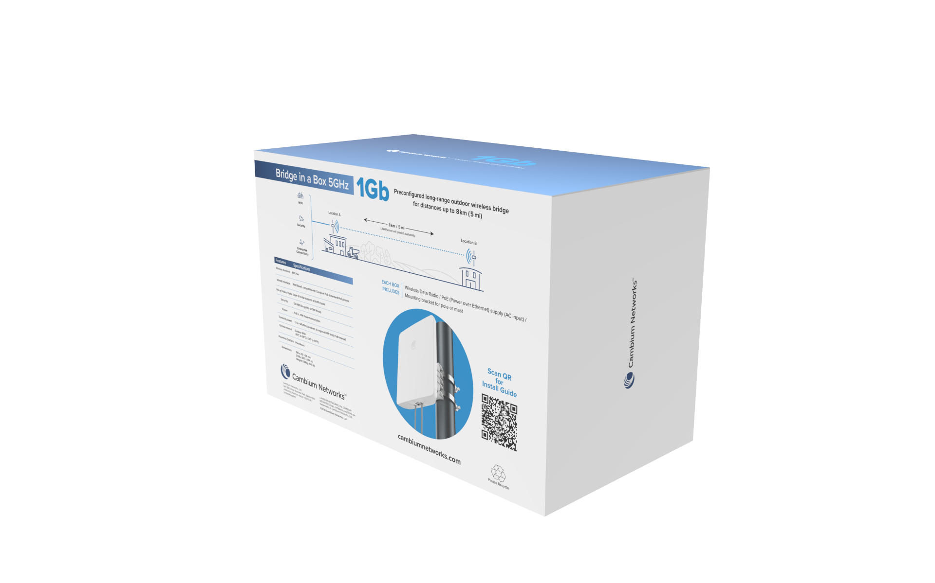 C050940B233A |  | ePMP Bridge in a Box Force 4518 5 GHz (EU) (EU cord) Includes 2 radio modules with integrated antennas, two power supplies with AC line cords, and mounting hardware . Pre-configured and pre-paired—just mount them, power them up, and point them at each other for an automatic connection . Ideal for setting up a link up to 1 Gbps capacity in point-to-point mode for a variety of applications . Security with 128-bit AES encryption and HTTPS management interfaces . | € 333.08
C050910C203A |  | ePMP 5 GHz Force 300-25 High Gain Radio 802.11ac wave2, 700 Mbps throughput, 2x2 MIMO/OFDM, 256 QAM, 20/40/80 MHz channel size, 10/100/1000 Ethernet interface, 65K PPS, Quad Core A7 ARM, PoE, 25 dBi dish antenna peak gain, IP55, Frequency range 5150 – 5970 MHz, Dedicated rund time spectrum analyzer using second radio on SoC, PTP link or Subscriber working with ePMP1000, ePMP2000 and ePMP3000 Access Points, 128-bit AES encryption, temperature range -30°C to +60°C | € 217.04
C050910M203A |  | ePMP 5 GHz Force 300-25 High Gain Radio 4-Pack packaging, priced per radio (EU) (EU cord) | € 211.15
C050910M273A |  | ePMP 5 GHz Force 300-25L (Bulk of 6 units per carton with accessories, brackets and PoE adapters). Price per unit 802.11ac wave2, ~400 Mbps throughput, 2x2 MIMO/OFDM, 256 QAM, 20/40/80 MHz channel size, 10/100/1000 Ethernet interface, PoE, 25 dBi dish antenna peak gain, IP55, Frequency range 5150 – 6400 MHz, +24 dBm Tx power, PTP link or Subscriber, 128-bit AES encryption, temperature range -30°C to +60°C | € 175.76
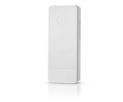 C050910C233A |  | ePMP 5 GHz Force 300-13L SM (EU) (EU cord). The ePMP Force 300-13L is designed to operate in high-interference environments and provides throughput of up to 400 Mbps with bidirectional real user traffic. The ePMP Force 300-13L has an integrated 13 dBi antenna. The SM supports up to 28 dBm transmit power. The 5 GHz Force 300-13L interoperates with the ePMP 1000, ePMP 2000, ePMP 3000, and ePMP 3000L Access Points, as well as the ePMP MicroPOP 3000. | € 140.37
C050900C702A | 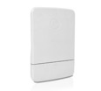 | ePMP 5 GHz Force 300-13 SM. 802.11ac wave2, 600 Mbps throughput, 2x2 MIMO/OFDM, 256 QAM, ARQ, 20/40/80 MHz channel size, 10/100/1000 Ethernet interface, Passive PoE (30 VDC nominal, 14-30 VDC range), 13 dBi panel antenna, +28 dBm Tx power, IP55, Frequency range 4910 – 5970 MHz, Dedicated run time spectrum analyzer using second radio on SoC, 128-bit AES encryption, temperature range -30°C to +60°C | € 186.16
C050900C802A |  | ePMP 5GHz Force 300-19 SM (EU) (EU cord) The Force 300-19 is an integrated subscriber module with a19 dBi flat panel antenna for longer distances in a small form factor. It uses 802.11ac Wave 2 technology to deliver high performance in multiple applications including internet access, video surveillance, and enterprise connectivity, with the capability to deliver more than 500 Mbps. | € 204.29
C050900C902A |  | ePMP 5GHz Force 300-19R SM (EU) (EU cord). The Force 300-19R is an integrated subscriber module especially well-suited for carrier, public safety, and enterprise applications capable of delivering more than 500 Mbps. It features an easy-to-install integrated form factor with a high-gain 19 dBi flat panel antenna. Carrier and enterprise-grade features include IP67 ruggedization, global 4.9 support, and 5/10 MHz channel bandwidth support. The Force 300-19R supports a rich software roadmap for long-term expansion of capabilities, including candidate features such as SNMPv3 and 256-bit AES encryption. | € 301.00
C050910C223A |  | ePMP 5 GHz Force 300 CSM Radio. To connect hard-to-reach locations, the 802.11ac Wave 2 Force 300 CSM provides up to 600 Mbps headline data rate in 20/40/80 MHz channels using 2×2 MIMO technology. The unit is connectorized to be customized for applications with readily available dishes and horns. | € 276.83
C050910C213A |  | ePMP 5 GHz Force 300-16. 802.11ac wave2, 500+ Mbps throughput, 2x2 MIMO/OFDM, 256 QAM, 20/40/80 MHz channel size, 10/100/1000 Ethernet interface, 65K PPS, Quad Core A7 ARM, 30V Cambium PoE (30V nominal, 14-30V range), 16 dBi panel antenna, IP55, Frequency range 4910 – 5970 MHz, +29 dBm Tx power, Dedicated run time spectrum analyzer using second radio on SoC, PTP link or Subscriber working with ePMP1000, ePMP2000 and ePMP3000 Access Points, 128-bit AES encryption, temperature range -30°C to +60°C | € 186.16
C050900C063A |  | ePMP 5 GHz Force 200AR5-25 High Gain Radio. 2x2 MIMO/OFDM, 200 Mbps, 1 x 10/100/1000 Ethernet interface, PoE, 25 dBi dish antenna peak gain, IP55, Frequency range 4910 – 5970 MHz, 5/10/20/40 MHz Channel Width, 128-bit AES encryption, temperature range -30°C to +60°C | € 169.86
C050900C502A |  | ePMP 5 GHz Force 130 SM. Providing up to 140 Mbps of throughput, the ePMP Force 130 is ideal for short range, high-capacity backhaul or multipoint applications. Operating in 5150-5970 MHz and 2.4 GHz bands, the modules includes QoS and management features. The ePMP Force 130 is available in APAC, CALA and EMEA regions | € 104.99
C050940M203A |  | ePMP 5 GHz Force 425 SM 2- pack packaging priced per radio (EU) (EU cord) 5GHz PTP Radio with 25 dBi Dish Antenna, 802.11ax, up to 1Gbps throughput, 2-Pack packaging, priced per One unit, EU. EU power cord. Sold in quantities by 2 Only | € 542.77
C050940C223A |  | ePMP 5 GHz Force 400C (EU) (EU cord) 5GHz PTP Radio Connectorized for External Antenna, 802.11ax, up to 1Gbps throughput, EU. EU power cord | € 530.68
C050940F203A |  | ePMP 5 GHz Force 425 Spare Radio Only (EU) PTP Spare Radio Only, 802.11ax, up to 1Gbps throughput, EU | € 482.33
C050900B902A |  | ePMP Bridge in a Box UHD PRO 5 GHz (EU) (EU cord). Pre-paired Point-to-Point link comprised out of 2 x Force 300-19 units. | € 605.78

Base stations ePMP 1000/2000/3000/4000
C050910A223A | 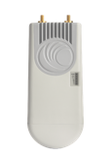 | ePMP 3000L 5 GHz Access Point Radio. Optimized for low density coverage areas, the ePMP 3000L provides micro-pop connectivity. This 802.11ac Wave 2 access point with MIMO technology provides up to 600 Mbps headline data rate in the 5150-5950 MHz bands and utilizes GPS synchronization for scalability and high spectral efficiency. The ePMP 3000L is a connectorized IP67 device and can be equipped with a sector, narrow beam or omnidirectional antenna to provide targeted coverage. | € 466.17
C050910A233A |  | ePMP 5 GHz MP 3000 MicroPOP Radio. The MicroPOP MP 3000 is based on 802.11ac Wave 2 technology and can interoperate with any of the ePMP Force 300 series of subscriber modules (including Force 300-13, -13L, -16, -19, -19R, and -25), as well as the Force 180/190/200 with backwards compatibility. Capacity of up to 600 Mbps is achievable with a range typically of 1 mile or 1.5 kilometers. The MP 3000 features an integrated omni antenna in a ruggedized IP67 enclosure. | € 351.96
C050910A203A |  | ePMP 3000 5 GHz Access Point Radio. 1 Gbps data rate, 4910-5980 MHz, 20/40/80 MHz channel width, 4x4 MU-MIMO OFDM, 256 QAM, 100/1000 Mbps ETH port, Aux SFP port, 802.3at compliant, 56V PoE included, VLAN 802.1Q with 802.1p priority, ARQ, 2 x RP-SMA connectors sector antenna, 2 x RP-SMA beamforming antenna, IP55 ruggedization, up to 120 subscribers, 128-bit AES encryption over the air, Advanced QoS - Three level priority (Voice, High, Low) with packet classification by DSCP, COS, VLAN ID, IP & MAC Address, Broadcast, Multicast and Station Priority, MIR/CIR support, temperature range-30°C to +55°C Scalability and Air Fairness, Interference Mitigation, Frequency Reuse – Enabled by GPS Synchronization, Application Flexibility with advanced configurable quality of service for data and VoIP | € 933.37
C050940A263A |  | ePMP 4500L 5 GHz 2x2 Access Point Radio. 2x2 MIMO AP offering high capacity and flexible connectivity with sector antennas and horn antennas. | € 630.96
C050940A223A |  | ePMP 4500 5 GHz 8x8 Integrated Access Point Radio. 8x8 MU-MIMO AP with an integrated 90-degree sector delivering up to 4 Gbps. | € 2,255.73
C050940A213A |  | ePMP 4500C 5 GHz 8x8 Connectorized Access Point Radio. 8x8 MU-MIMO AP with 8 RPSMA Antenna connectors delivering up to 4 Gbps. | € 1,714.14

Antenna
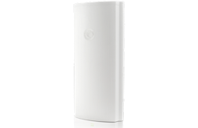 C050910D301A |  | ePMP 3000 4X4 sector antenna. 17 dBi gain, 4X4 Multi User MIMO Capability, 90 degree coverage, consistent gain from 4.9 to 6.0 GHz, designed for ABAB channel re-use (two channels covering four sectors), the sector antenna has a minimum 30 dB front to back ratio over a wide rear facing aperture, small, compact design, integrated ePMP radio mount and GPS antenna integration, polarization 2x horizontal/2x vertical, electrical downtilt -2 degrees, IP65 ruggedization, max input power 5W, 4 x RP SMA mounting connectors, UV protected ABC, Temperature range -40°C to +60°C | € 360.16
C050900D025A |  | ePMP 3000 Dual Horn MU-MIMO Antenna, 5 GHz, 60 degree. Operators can combine the interference-mitigation advantages of a horn antenna pattern with the high data rates and performance of 4x4 MU-MIMO. The antenna works across the 5 GHz spectrum and provides 60-degree coverage. To simplify installation, the antenna is shipped with the cables and mounting bracket needed to mount on a pole directly, combined with an ePMP 3000 Access Point | € 269.89

Accessories
N000900L022A |  | ePMP Force 180 Adjustable Pole Bracket (spare for bracket included with radio) | € 12.10
N000900L006A |  | ePMP 1000: Connectorized Radio Mounting Bracket | € 11.60
N000900L021A |  | ePMP Force 200 Radome | € 19.17
C050940M100A |  | ePMP 5 GHz Force 425 Spare Dish 2-Pack Packaging priced per dish | € 49.44
N000900L061A |  | ePMP Force 400 Series Mounting Spares Kit | € 170.52
N000900L062A |  | ePMP Force 425 Range Extender 4-Pack Packaging priced per extender | € 93.19

Power Supply
N000900L002A |  | ePMP 1000: Spare Power Supply for Radio with 100Mbit Ethernet (no cord) | € 12.10

License Key
C050900S200A |  | GPS Sync AP License Key - Upgrade Lite (10 SM) to Full (120 SM) | € 306.00
C050900S2KLA |  | ePMP2000 AP Lite License Key - Upgrade Lite (10 SM) to Full (120 SM) | € 315.03
QE-e3000-01A-WW |  | SMARTQoS Application Priority License Key, ePMP 3000 per AP SW License Key | € 108.32

Elevate licence

Extended warranty
EW-E1EP10SM-WW |  | ePMP 1000 ISM/CSM/Force 180/Force 190 Extended Warranty, 1 Addl Year | € 2.71
EW-E2EP10SM-WW |  | ePMP 1000 ISM/CSM/Force 180/Force 190 Extended Warranty, 2 Addl Years | € 4.96
EW-E1EPF300-WW |  | ePMP Force 300 Extended Warranty, 1 Additional Year | € 4.51
EW-E2EPF300-WW |  | ePMP Force 300 Extended Warranty, 2 Additional Years | € 8.12
EW-E1EPF200-WW |  | ePMP Force 200 Extended Warranty, 1 Addl Year | € 3.61
EW-E2EPF200-WW |  | ePMP Force 200 Extended Warranty, 2 Addl Years | € 6.77
EW-E1EPF110-WW |  | ePMP Force 110 PTP Extended Warranty, 1 Addl Year | € 5.64
EW-E2EPF110-WW |  | ePMP Force 110 PTP Extended Warranty, 2 Addl Years | € 10.15
EW-E1EP10AP-WW |  | ePMP 1000 Sync AP Extended Warranty, 1 Additional Year | € 13.54
EW-E2EP10AP-WW |  | ePMP 1000 Sync AP Extended Warranty, 2 Additional Years | € 24.37
EW-E1EP20AP-WW |  | ePMP 2000 AP Extended Warranty, 1 Additional Year | € 16.25
EW-E2EP20AP-WW |  | ePMP 2000 AP Extended Warranty, 2 Additional Years | € 28.88
EW-EP4500-1 |  | ePMP 4500 5 GHz 8x8 Integrated AP Extended Warranty, 1 Additional Year | € 67.70
EW-EP4500-2 |  | ePMP 4500 5 GHz 8x8 Integrated AP Extended Warranty, 2 Additional Years | € 120.96
EW-EP4500C-1 |  | ePMP 4500C 5 GHz 8x8 AP Extended Warranty, 1 Additional Year | € 51.45
EW-EP4500C-2 |  | ePMP 4500C 5 GHz 8x8 AP Extended Warranty, 2 Additional Years | € 92.07
EW-EP4500L-1 |  | ePMP 4500L 5 GHz 2x2 AP Extended Warranty, 1 Additional Year | € 18.96
EW-EP4500L-2 |  | ePMP 4500L 5 GHz 2x2 AP Extended Warranty, 2 Additional Years | € 34.30
EW-E1EPF400-WW |  | ePMP Force 400 Extended Warranty, 1 Additional Year | € 10.83
EW-E2EPF400-WW |  | ePMP Force 400 Extended Warranty, 2 Additional Years | € 19.86
EW-E1EPF425-WW |  | ePMP Force 425 Extended Warranty, 1 Additional Year | € 10.83
EW-E2EPF425-WW |  | ePMP Force 425 Extended Warranty, 2 Additional Years | € 19.86
EW-EPF4525L-1 |  | ePMP Force 4525L SM Extended Warranty, 1 Additional Year | € 6.32
EW-EPF4525L-2 |  | ePMP Force 4525L SM Extended Warranty, 2 Additional Years | € 10.83

cnMaestro
MSX-SUB-EPMP-1 |  | cnMaestro X for one ePMP 1K/2K/3K/4K Access Point. Creates one Device Tier 21 slot. 1-Year subscription | € 18.05
MSX-SUB-EPMP-3 |  | cnMaestro X for one ePMP 1K/2K/3K/4K Access Point. Creates one Device Tier 21 slot. 3-Year subscription | € 43.69
MSX-SUB-EPMP-5 |  | cnMaestro X for one ePMP 1K/2K/3K/4K Access Point. Creates one Device Tier 21 slot. 5-Year subscription | € 72.21

GARANTIA
ePMP tiene 3 años de garantía.

Tools
 |  | cnMaestro Essential Cloud-based or On-Premises platform specialized for secure, end-to-end network lifecycle management; inventory management, device onboarding, daily operations and maintenance offering full network visibility. cnMaestro collects and displays compliance with service level agreements. High availability, access from smartphone/tablet/laptop, elegant simplicity, free software updates
 |  | LinkPlanner LINKPlanner leads the industry as the most trusted user-friendly and intuitive RF link/network planning tool, with tens of thousands of links deployed successfully worldwide. LINKPlanner allows you to model “what if” scenarios – based on geography, distance, antenna height, transmit power, and other factors – to optimize system performance before purchase. Quickly design networks for optimal deployment and cost effectiveness with ease. Available for Microsoft® Windows® and Mac® systems
 |  | cnArcher Android App that pre-configures all required parameters, SM alignment, Upgrades device software, complete SM configuration, record baseline performance of installed links. Reduces installation time, installation tasks, eliminaters warehouse pre-configuration, configuration/deployment errors and requirements for laptop and SM GUI
Confidential proprietary information. Do not distribute.

