Smart I O & Communication
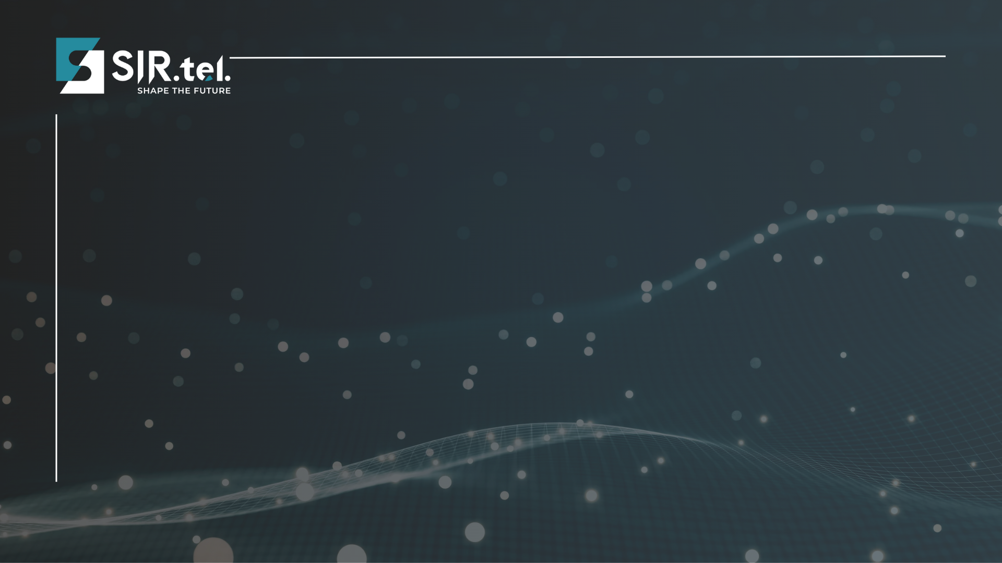 |  | 
 | SIR.tel. Srl - Via Molino di Sopra 55A 37054 Nogara (VR) - sales@sirtel.it - www.sirtel.it
 | Listino Advantech n.75 Q2 Aprile 2026
 | Codice | Descrizione | Listino
 |  | Smart I/O & Communication
 | ADAM-3013-AE | Isolated RTD-input Module | € 273.00
 | ADAM-3016-AE | Isolated Strain Gauge Input Module | € 273.00
 | ADAM-3112-AE | Isolated AC Voltage Input Module | € 325.00
 | ADAM-3114-AE | Isolated AC Current Input Module | € 201.00
 | ADAM-3014-AE | Isolated DC I/O Module | € 198.00
 | ADAM-3017-AE | External Powered IEPE Signal Conditioner | € 283.00
 | PCLD-8712-AE | Wiring Terminal for PCI-1712, DIN-rail Mount | € 185.00
 | PCLD-885-AE | 16-ch Power Relay Output Terminal | € 302.00
 | PCI-1737U-AE | 24ch TTL Digital I/O Card | € 137.00
 | PCLD-782B-AE | 16/24-ch Opto-isolated DI Board | € 252.00
 | PCLD-8710-AE | SCSI-68 Wiring Terminal w/CJC, DIN-rail Mount | € 120.00
 | PCLD-8761-AE | 24/24-ch Relay Output/Isolated DI Board | € 529.00
 | PCLD-8810E-AE | Screw terminal board with CJC for PCIE-18 Series | € 232.00
 | PCLD-8811-AE | Active filter board | € 155.00
 | PCLD-8751-AE | 48-ch Opto-isolated DI Board | € 428.00
 | PCLD-881B-AE | Wiring Terminal Board for PCI-1713 & PCL-813L | € 131.00
 | PCLD-8840-AE | 20-pin DIN-rail HDMI Cable Wiring Board | € 92.00
 | PCL-836-BE | 6-ch Counter/timer Card | € 361.00
 | PCLD-785B-AE | 24-ch Relay Output Terminal | € 317.00
 | PCLD-8762-AE | 48-ch relay output wiring board | € 770.00
 | PCLD-880-AE | DB-37 Wiring Terminal | € 131.00
 | PCL-108BNC-50E | 50 cm, Mini-SCSI to 8-BNC Cable | € 136.00
 | PCLD-785-AE | 16-ch Relay Output Terminal | € 252.00
 | PCLD-782-BE | Opto-Isolated D/I Board | € 214.00
 | PCLD-788-AE | Relay Scanner/multiplexer Board (CE) | € 361.00
 | PCLD-8115-AE | DB-37 Wiring Terminal w/CJC Circuit | € 127.00

