Helios IP Master
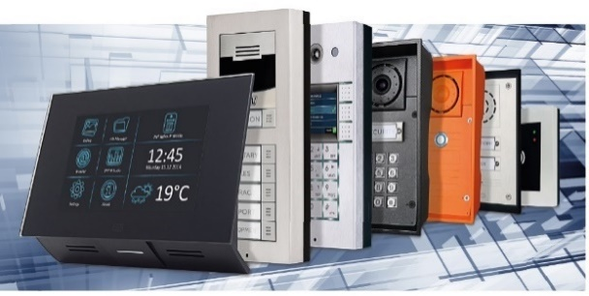 | 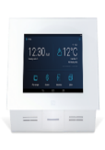 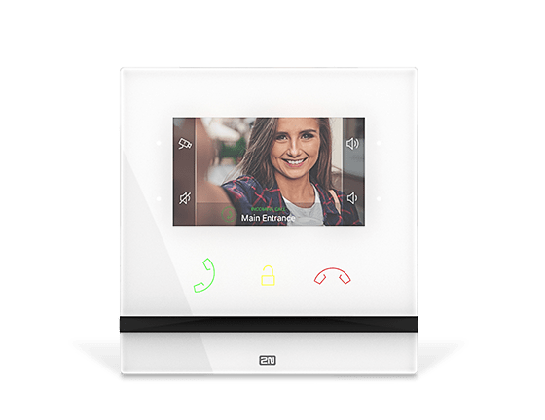  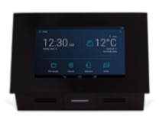 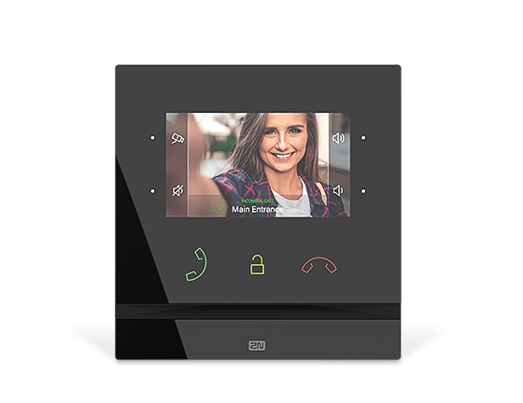 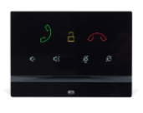  | 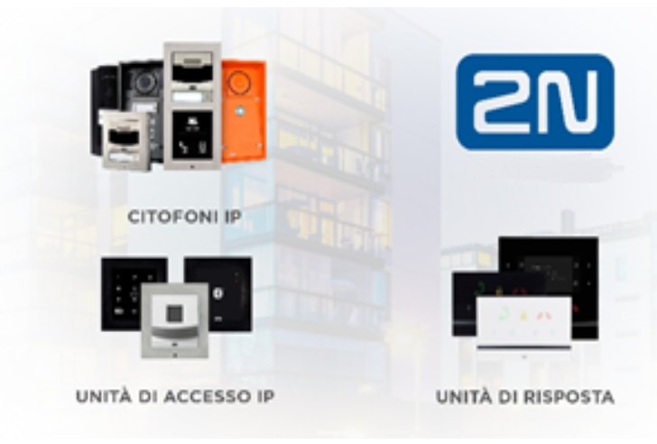

 | 2026-06-01

 | Price List for 2N® IP Family | EUP

 | 2N® IP Style
9157101 | IP Style Unità Principale | € 3,942
9157101-S | IP Style Unità Principale con controllo accessi secured Seos® Compatible | € 4,074
 | 2N® IP Style - Installation Accessories
9157001 | Scatola per montaggio incassato | € 192
9157002 | Scatola per montaggio da superficie | € 90
91378101 | 2N® Gigabit PoE+ Injector, Tenda PoE30G-AT | € 85
 | 2N® IP Verso
9155211C | 2N® IP Verso 2.0 Unità Principale con Telecamera | € 1,402
9155211CB | 2N® IP Verso 2.0 Unità Principale con Telecamera, nero | € 1,402
9155211 | 2N® IP Verso 2.0 Unità Principale solo audio | € 686
9155211B | 2N® IP Verso 2.0 Unità Principale solo audio, nero | € 686
9155101C | 2N® IP Verso - Unità Principale con Telecamera EOL 31/12/2026 | € 1,158
9155101CB | 2N® IP Verso - Unità Principale con Telecamera, nero EOL 31/12/2026 | € 1,158
9155101 | 2N® IP Verso - Unità Principale senza Telecamera EOL 31/12/20266 | € 616
9155101B | 2N® IP Verso - Unità Principale senza Telecamera, nero EOL 31/12/2026 | € 616

 | 2N® IP Verso - modules
1120115 | Milesight 4G Mini Industrial Router UR41 | € 318
9155030 | 2N® IP Verso - modulo informazioni | € 137
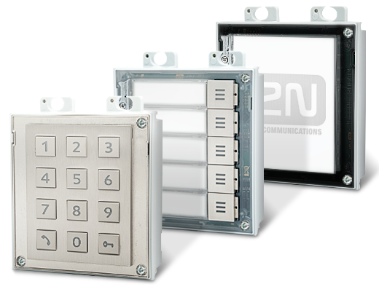
9155031 | 2N® IP Verso - modulo tastiera | € 303
9155031B | 2N® IP Verso - modulo tastiera, nero | € 303
9155034 | 2N® IP Verso - modulo ingressi / uscite | € 116
9155035 | 2N® IP Verso - modulo aggiuntivo 5 tasti | € 152
9155036 | 2N® IP Verso - modulo display touch | € 984
9155041 | 2N® IP Verso - modulo induzione per non udenti | € 253
9155044 | 2N® IP Verso - Modulo di controllo accessi indipendente Vigik | € 346
9155045 | 2N® IP Verso - modulo impronte digitali (lettore d'impronte esterno = 9137423E necessario per l'installazione) | € 663
9155047 | 2N® IP Verso - modulo tastiera touch | € 277
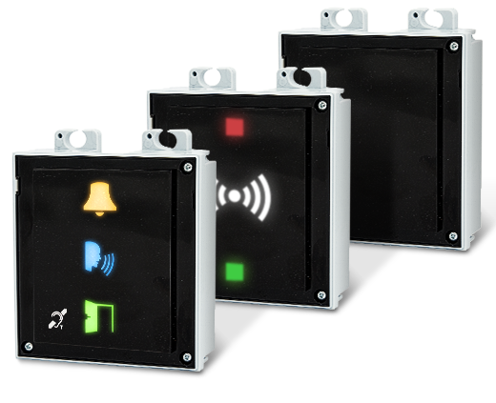
91550941 | 2N® IP Verso - lettore di tessere, 125kHz RFID | € 187
91550941US | 2N® IP Verso - lettore di tessere, 125kHz RFID | € 222
91550942 | 2N® IP Verso - lettore di tessere, 13.56MHz RFID e lettore NFC | € 251
91550942-S | 2N® IP Verso - RFID Seos® Compatible, 13.56MHz, PICard compatible, NFC | € 405
9155086 | 2N® IP Verso - lettore di tessere, 13.56MHz RFID, lettore NFC e controllo accessi secured Seos® Compatible | € 395
91550945 | 2N® IP Verso – Bluetooth & RFID reader 125kHz, 13.56MHz, NFC, PICard compatible | € 660
91550945-S | 2N® IP Verso – Bluetooth & RFID reader 125kHz, secured Seos® Compatible 13.56MHz, NFC, PICard compatible | € 810
91550946 | 2N® IP Verso – Touch keypad & RFID reader 125kHz, 13.56MHz, NFC, PICard compatible | € 552
91550946-S | 2N® IP Verso – Touch keypad & RFID reader 125kHz, secured Seos® Compatible 13.56MHz, NFC, PICard compatible | € 670
91550947 | 2N® IP Verso – Touch keypad & Bluetooth & RFID reader 125kHz, 13.56MHz, NFC, PICard compatible | € 790
91550947-S | 2N® IP Verso – Touch keypad & Bluetooth & RFID reader 125kHz, secured Seos® Compatible 13.56MHz,NFC, PICard compatible | € 970
Basic unit w/ or w/out camera can be combined only with 2 or 3 module frames or boxes. Basic unit will only occupy one position, the others are free for expansion modules. 1 module frame or box is suitable for expansion modules only.
 | 2N® IP Verso - Installation Accessories
9155021 | cover box 1M - surface installation frame for 1 module | € 60
9155022 | cover box 2M - surface installation frame for 2 modules | € 73
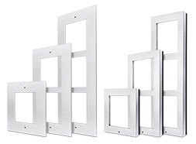
9155023 | cover box 3M - surface installation frame for 3 modules | € 97
9155021B | 2N® IP Verso - Frame for surface installation, 1 module - black | € 60
9155022B | 2N® IP Verso - Frame for surface installation, 2 modules - black | € 73
9155023B | 2N® IP Verso - Frame for surface installation, 3 modules - black | € 97
9155011B | flush installation frame for 1 module - black (must be together with 9155014) | € 86
9155011 | flush installation frame for 1 module (must be together with 9155014) | € 86
9155014 | flush installation box for 1 module (must be together with 9155011) | € 29
9155012B | flush installation frame for 2 modules - black (must be together with 9155015) | € 96
9155012 | flush installation frame for 2 modules (must be together with 9155015) | € 96
9155015 | flush installation box for 2 modules (must be together with 9155012) | € 36
9155013B | flush installation frame for 3 modules - black (must be together with 9155016) | € 105
9155013 | flush installation frame for 3 modules (must be together with 9155016) | € 105
9155016 | flush installation box for 3 modules (must be together with 9155013) | € 42
9155061 | 2N® IP Verso backplate - 1 module | € 62
9155062 | 2N® IP Verso backplate - 2 modules | € 70
9155063 | 2N® IP Verso backplate - 3 modules | € 82
9155064 | 2N® IP Verso backplate - 2(w) x 2(h) modules | € 109
9155065 | 2N® IP Verso backplate - 3(w) x 2(h) modules | € 155
9155066 | 2N® IP Verso backplate - 2(w) x 3(h) modules | € 133
9155067 | 2N® IP Verso backplate - 3(w) x 3(h) modules | € 179
9155072 | 2N® IP Verso Wedge backplate for 2 modules | € 40
 | 2N® Helios IP Verso - Accessories
9155010 | 2N® IP Verso - Goosneck mounting hood (to be mounted on goosneck stand 9151005 or 9151007) | € 130
9155037 | 2N® IP Verso - Wiegand module | € 79
91550371 | 2N® IP Verso - OSDP module | € 135
9155038 | 2N® IP Verso - Tamper switch | € 39
9155039 | 2N® IP Verso - Blind panel | € 18
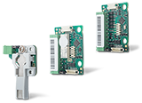
9155050 | 2N® IP Verso - Extension cable | € 16
9155051 | 2N® IP Verso - Blind button | € 25
9155051B | 2N® IP Verso - Blind button - black | € 25
9155054 | 2N® IP Verso connection cable - length 3m | € 25
9155055 | 2N® IP Verso connection cable - length 5m | € 31
9155198SET | 2N® IP Verso Secure Door set - contains I/O module (9155034), tamper switch (9155038) and Security Relay (9159010) with a 15% discount ! | € 182
9155490SET | 2N IP Verso - Installation kit for 4G router | € 48
 | 2N Demo case 2.0
911008SET | 2N Demo case 2.0 | € 6,250
 | 2N® IP One
9158104 | 2N® IP One Grey with camera, flush mount, must be together with 9158001 | € 1,063
9158105 | 2N® IP One Bronze with camera, flush mount, must be together with 9158001 | € 1,063
9158106 | 2N® IP One Black with camera, flush mount, must be together with 9158001 | € 1,063
 | 2N® IP One - Installation Accessories
9158001 | 2N® IP One flush installation box | € 42
9158002 | 2N IP One – Surface mount box | € 54
 | 2N® IP Solo
Main unit w/ camera, cannot be combined with Helios IP Verso additional modules.
9155301CS | 2N® IP Solo with camera, surface mount (includes surface mount frame) | € 1,202
9155301CBS | 2N® IP Solo with camera - black, surface mount (includes surface mount frame) | € 1,202
9155301CF | 2N® IP Solo with camera, flush mount (includes flush mount frame, must be together with 9155017) | € 1,232
9155301CBF | 2N® IP Solo with camera - black, flush mount (includes flush mount frame, must be together with 9155017) | € 1,232
9155301S | 2N® IP Solo without camera, surface mount (includes surface mount frame) | € 654
9155301BS | 2N® IP Solo without camera, surface mount, black (includes surface mount frame) | € 654
9155301F | 2N® IP Solo without camera, flush mount (includes flush mount frame, must be together with 9155017) | € 680
9155301BF | 2N® IP Solo without camera, flush mount, black (includes flush mount frame, must be together with 9155017) | € 680
 | 2N® IP Solo - Installation Accessories
9155017 | 2N® IP Solo flush installation box (needed for flush mount installations) | € 28
9155068 | 2N® IP Solo - surface installation backplate | € 68
9155071 | 2N® IP Solo wedge backplate | € 36
9155074 | 2N® IP Solo glass mount (always need to order together with 9155068) | € 22
 | 2N® IP Base
9156111CB | 2N® IP Base with camera, black frame | € 632
 | 2N® IP Solo - Installation Accessories
9156020 | 2N® IP Base - backplate | € 73
 | 2N® IP Force
9151101CHRPW | 2N® IP Force - 1 button, HD camera, pictograms, 10W speaker EOL 31/12/2026 | € 1,550
9151101RPW | 2N® IP Force - 1 button, pictograms, 10W speaker EOL 31/12/2026 | € 1,146
9151101W | 2N® IP Force - 1 button & 10W speaker EOL 31/12/2026 | € 1,024
9151101CHW | 2N® IP Force - 1 button & HD camera & 10W speaker EOL 31/12/2026 | € 1,486
9151104W | 2N® IP Force - 4 buttons & 10W speaker EOL 31/12/2026 | € 1,104
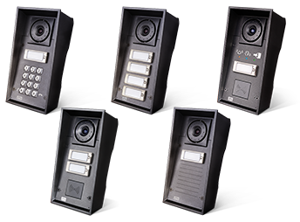
9151104CHW | 2N® IP Force - 4 button & HD camera & 10W speaker EOL 31/12/2026 | € 1,556
9151101KW | 2N® IP Force - 1 button & keypad & 10W speaker EOL 31/12/2026 | € 1,152
9151101CHKW | 2N® IP Force - 1 button & HD camera & keypad & 10W speaker EOL 31/12/2026 | € 1,502
9151102CHRW | 2N® IP Force - 2 buttons & HD camera & 10W speaker EOL 31/12/2026 | € 1,500
9151102RW | 2N® IP Force - 2 buttons & 10W speaker EOL 31/12/2026 | € 1,110
 | 2N® IP Force 2.0
9151301 | 2N IP Force 2.0 - 1 button | € 1,194
9151301C | 2N IP Force 2.0 - 1 button, camera | € 1,763
9151301CK | 2N IP Force 2.0 - 1 button, camera, keypad | € 1,787
9151301CM | 2N IP Force 2.0 - red emergency button, camera | € 1,763
9151301CRP | 2N IP Force 2.0 - 1 button, camera, pictograms, card reader ready | € 1,842
9151301K | 2N IP Force 2.0 - 1 button, keypad | € 1,338
9151301RP | 2N IP Force 2.0 - 1 button, pictograms, card reader ready | € 1,328
9151302CR | 2N IP Force 2.0 - 2 buttons, camera, card reader ready | € 1,775
9151302R | 2N IP Force 2.0 - 2 buttons, card reader ready | € 1,284
9151304 | 2N IP Force 2.0 - 4 buttons | € 1,284
9151304C | 2N IP Force 2.0 - 4 buttons, camera | € 1,852
 | 2N® IP Force 2.0 - Accessory
9151321 | 2N IP Force 2.0 - Induction loop | € 133
9151324 | 2N IP Force 2.0 - RFID reader 125kHz, 13.56MHz, NFC ready&Wiegand | € 278
9151324-S | 2N IP Force 2.0 - RFID reader 125kHz, Seos® Compatible 13.56MHz, NFC ready&Wiegand | € 324
9151325 | 2N IP Force 2.0 - RFID reader 125kHz, 13.56MHz, NFC ready&OSDP | € 290
9151325-S | 2N IP Force 2.0 - RFID reader 125kHz, Seos® Compatible 13.56MHz, NFC ready&OSDP | € 335
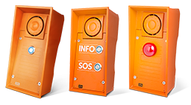
 | 2N® IP Safety
9152101W | 2N® IP Safety - 1 button & 10W speaker | € 1,138
9152102W | 2N® IP Safety - 2 buttons & 10W speaker, INFO/SOS labels | € 1,172
9152101MW | 2N® IP Safety - red emergency button & 10W speaker | € 1,172
 | 2N® IP Force & IP Safety - Installation Accessory
9151001 | Brick flush mounting box (for Helios IP Force/Safety) | € 102
9151002 | Plasterboard flush mounting board (for Helios IP Force/Safety) | € 82
9152000 | Helios IP Safety - metal frame (Orange color) | € 42
9151018 | 2N® Helios IP Force - safety screws | € 12
 | 2N® IP Force & IP Safety - Accessory
9151010 | Additional switch + Tamper (suitable for Helios IP Force & Safety only) one INPUT | € 84
9151005 | 2N® IP Force and Safety - Gooseneck stand, 120cm/47in | € 497
9151007 | 2N® IP Force and Safety - Gooseneck stand double, 108cm / 42ʺ and 192cm / 75ʺ | € 893
9151006 | 2N® Force and Safety installation adapter | € 153
9151198SET | 2N® IP Force Secure Door set - contains additional switch + tamper (9151010) and Security Relay (9159010) with a 15% discount | € 153
 | 2N® IP Uni
9153101 | 2N® IP UNI - 1 button | € 475
9153102 | 2N® IP UNI - 2 buttons | € 502
9153101P | 2N® IP UNI - 1 button, pictograms | € 552
 | 2N® IP Uni - Installation Accessory
9153003 | Helios IP UNI - Alu box | € 86
 | 2N® IP Audio Kit
9154100 | 2N® IP Audio Kit - 1x LAN, PoE, keypad, up to 16buttons, line in/out, log GPIO, audio module | € 545
 | 2N® IP Audio Kit - Accessories
9154001 | 2N® IP Audio Kit - quick mount microphone | € 24
9154002 | 2N® IP Audio Kit - quick mount speaker | € 24
9154004 | 2N® IP Audio Kit - stainless steel backlit button | € 32
9154005 | 2N® IP Audio Kit - microphone & speaker set | € 40
 | 2N® Indoor Panels
91378601 | 2N® Indoor View, Black (must be together with 91378800 or with 91378802 or with 91378803) | € 696
91378601WH | 2N® Indoor View, White (must be together with 91378800 or with 91378802 or with 91378803) | € 696
91378611 | 2N® Indoor View WiFi, Black (must be together with 91378800 or with 91378802 or with 91378803) | € 815
91378611WH | 2N® Indoor View WiFi, White (must be together with 91378800 or with 91378802 or with 91378803) | € 815
91378501 | 2N® Indoor Compact, Black (must be together with 91378800 or with 91378802 or with 91378803) | € 545
91378501WH | 2N® Indoor Compact, White (must be together with 91378800 or with 91378802 or with 91378803) | € 545
91378401 | 2N® Indoor Talk, Black (must be together with 91378800 or with 91378802) | € 396
91378401WH | 2N® Indoor Talk, White (must be together with 91378800 or with 91378802) | € 396
9138511 | 2N® Clip Ethernet 4" answering unit White | € 353
9138512 | 2N® Clip Ethernet 4" Induction loop answering unit White | € 389
9138521 | 2N Clip 2wire-IP | € 343
9138522 | 2N Clip 2wire-IP, Induction loop | € 378
1120101B | 2N® IP Handset, Black | € 144
1120101W | 2N® IP Handset, White | € 144
 | 2N® Indoor Panels - Accessories
91378800 | 2N Indoor answering unit flush installation box (for Indoor Talk, Indoor Compact and Indoor View) | € 28
91378802 | 2N® Indoor answering unit desk stand (suitable for Talk/Compact/View) | € 55
91378803 | 2N® Indoor answering unit surface installation box (for Compact and View only) | € 28
9138001 | 2N Clip 2wire-IP Switch | € 321
1120302 | 2N Clip 2wire-IP Switch Power supply 48VDC/1.92A, DIN rail | € 52
9138002 | 2N® Clip Desk Stand | € 28
9138003 | 2N® Clip 1 Gang Installation Plate | € 38
9159054 | 2N® Induction Loop for general purpose | € 148
 | 2N® SIP Audio Systems
914421B | 2N® SIP Speaker, Wall Mounted, Black | € 580
914421W | 2N® SIP Speaker, Wall Mounted, White | € 580
914431E | 2N® SIP Mic organic | € 1,506
914422E | 2N® SIP Speaker, Horn | € 753
914423E | 2N® SIP Speaker Horn, Power supply 24V | € 88
 | 2N® SIP Audio Systems - Accessories
914481EM | 2N® SIP Audio External microphone (Mono) | € 202
914481EST | 2N® SIP Audio External microphone (Stereo) | € 239
 | 2N® Access Unit
9161121 | 2N® Access Unit M 13.56 MHz, NFC ready - 3m Eth cable | € 474
9161141 | 2N® Access Unit M 125kHz, 13.56MHz, NFC - 3m Eth cable | € 540
9161151 | 2N® Access Unit M Bluetooth & RFID - 125kHz, 13.56MHz, NFC - 3m Eth cable | € 700
9161161 | 2N® Access Unit M Touch keypad & RFID - 125kHz, 13.56MHz, NFC | € 634
916031 | 2N® Access Unit 2.0 - Fingerprint reader (external fingerprint reader = 9137423E needed for installation) | € 895
916032 | 2N® Access Unit 2.0 - Touch keypad | € 474
9160341 | 2N® Access Unit 2.0- 125kHz (does NOT read HID Prox. For HID Prox, use 9160341US) | € 485
9160341US | 2N® Access Unit 2.0 - 125kHz US (reads HID Prox) | € 516
9160342 | 2N® Access Unit 2.0 - 13.56MHz cards NFC ready, PICard compatible | € 444
9160342-S | 2N® Access Unit 2.0 secured Seos® Compatible 13.56MHz, NFC, PICard compatible | € 622
9160344 | 2N® Access Unit 2.0 RFID - 125kHz, 13.56MHz, NFC, PICard compatible | € 594
9160344-S | 2N® Access Unit 2.0 RFID - 125kHz, secured Seos® Compatible 13.56MHz, NFC, PICard compatible | € 787
9160345 | 2N® Access Unit 2.0 Bluetooth & RFID - 125kHz, 13.56MHz, NFC, PICard compatible | € 884
9160345-S | 2N® Access Unit 2.0 Bluetooth & RFID - 125kHz, secured Seos® Compatible 13.56MHz, NFC, PICard compatible | € 1,037
9160346 | 2N® Access Unit 2.0 Touch keypad & RFID - 125kHz, 13.56MHz, NFC, PICard compatible | € 775
9160346-S | 2N® Access Unit 2.0 Touch keypad & RFID - 125kHz, secured Seos® Compatible 13.56MHz, NFC, PICard compatible | € 898
9160347 | 2N® Access Unit 2.0 Touch keypad & Bluetooth & RFID - 125kHz, 13.56MHz, NFC, PICard compatible | € 1,010
9160347-S | 2N® Access Unit 2.0 Touch keypad & Bluetooth & RFID - 125kHz, secured Seos® Compatible 13.56MHz, NFC, PICard compatible | € 1,185
916201 | 2N® Access Unit 2.0 - QR | € 663
please be aware that the 2N® Access Unit comes without a frame! You must add the frame for either surface (9155021) or flush mount (9155014+9155011) installation!
 | Access control - cards and external readers
916121 | 2N® IP - Flush installation box - Access Unit M | € 35
916122 | 2N® IP - Surface mount box - Access Unit M | € 35
9137423E | 2N® IP - external fingerprint reader (USB interface) | € 248
9137422E | 2N® IP - external Bluetooth reader (USB interface) | € 36
9137420E | External RFID Reader 125kHz EMarine (USB interface) | € 59
9137421E | External RFID Reader 13.56MHz + 125kHz (USB interface) | € 291
9137424E | External secured Seos® Compatible RFID reader 13.56MHz + 125kHz (USB interface) | € 497
9159030 | External 125 kHz EMarine RFID card reader, Wiegand | € 100
9159031 | External 13.56MHz Mifare RFID card reader, Wiegand | € 100
11202601 | RFID karta Mifare Desfire EV3 4K 13.56MHz - 2N logo 10pcs | € 67
11202602 | RFID fob Mifare Desfire EV3 4K 13.56MHz - 10 psc | € 142
9134165E | EMarine RFID card 125 kHz | € 4
9134166E | EMarine RFID key fob 125 kHz | € 4
9134173 | Mifare RFID card 13.56MHz | € 4
9134174 | Mifare RFID key fob 13.56MHz | € 4
9159013 | 2N® Exit button (suitable for Helios IP Vario/Force with card reader or any model of Helios IP Verso) | € 28
9159012 | 2N® Magnetic door contact | € 21
 | 2N® Helios IP Licenses & Apps
9137909 | 2N® IP Intercom - Gold license | € 193
9137910 | 2N® IP Intercom - Informacast license | € 112
 | 2N® Integration Licenses
9137917 | 2N® Plugin for OnGuard (per system) | € 1,105
9137918 | 2N® Plugin for CCure (per system) | € 1,105
9137919 | 2N® Plugin for Symmetry (per system) | € 1,105
9137921 | 2N® IP Intercom - MS Teams license | € 163
200 | 2N® MY2N App (iOS)
201 | 2N® MY2N App (Android)
 | 2N® My2N cloud services
9137957 | Device Credit for 2N Mobile Video (annual subscription) | € 25
9137958 | Apartment Credit for 2N Mobile Video (annual subscription) | € 37
9137954 | Licenza una tantum per l‘abbonamento My2N di 10 anni | € 206
 | 2N® PICard Commander
91379601 | PICard Commander license. License is generated using device key of compatible USB reader (non-secured - 9137421E, secured - 9137424E). | € 872
 | 2N® Access Commander
 | 2N Access Commander trial - 1 device, 5 Users, full features, no time limit | € 0
 | 2N Access Commander – Basic licence (Up to 5 devices, 50 users, 1 admin and basic features) - free - | € 0
91379031 | 2N Access Commander – Advanced licence (Up to 30 devices, 300 users, 5 admins and all advanced features except synchronization by LDAP/CSV and Anti-Passback) | € 718
91379032 | 2N Access Commander – Pro licence (Up to 100 devices, 1000 users, unlimited admins and all advanced features including synchronization by LDAP/CSV and Anti-Passback) | € 1,557
91379033 | 2N Access Commander – Unlimited licence (Unlimited devices, unlimited users, unlimited admins and all advanced features including synchronization by LDAP/CSV and Anti-Passback) | € 3,591
91379034 | 2N Access Commander – Upgrade Advanced to Pro licence | € 838
91379035 | 2N Access Commander – Upgrade Pro to Unlimited licence | € 2,034
91379036 | 2N Access Commander – Add-on Attendance Monitoring license | € 600
1120120E | 2N® Access Commander Box 2.0 - 2N® Access Commander pre-installed on a compact mini PC, optimised for up to 7000 devices and 200.000 users* (*See recommended settings in configuration manual) | € 1,125 | 
 | IP Phones
1120102 | 2N® IP Phone D7A | € 512
1120105 | USB camera for the 2N® IP Phone D7A | € 133
91378363 | Yealink SIP T58A button extender | € 278
91378364 | Yealink T5x series Wall Mount Bracket | € 17
 | IP Intercom Accessories
91341481E | 12 V power supply EU plug | € 37
9137410E | External IP Relay - 1 output, 1 input - EOL 30/09/2026 | € 301
9137411E | External IP Relay - 4 outputs, 0 input, PoE - EOL 30/09/2026 | € 436
9137413E | External IP Relay - 2 output, 2 input, HTTPS support, POE - EOL 30/09/2026 | € 550
916020 | 2N® Access Unit - RJ45 connector cable | € 12
9159014EU | 2N® 2Wire (set of 2 adaptors and power source for EU) | € 333
9159014US | 2N® 2Wire (set of 2 adaptors and power source for the US) | € 333
9159014UK | 2N® 2Wire (set of 2 adaptors and power source for the UK) | € 333
9159050 | 2N® Induction Loop for 2N® IP | € 179
9159052 | 2N® Induction Loop - power supply | € 37
9159010 | 2N® IP Security Relay | € 94
9159011 | 2N® IP Wiegand Isolator | € 106
9160501 | AXIS A9188 Network I/O Relay Module (8 relays = up to 8 floors control) | € 821
1120103 | NVT Phybridge PL-08 switch with 2 adaptors | € 1,092
1120103EU | NVT Phybridge PL-08 switch with 2 adaptors - EU power cord | € 1,092
1120104 | NVT Phybridge PL-08 pack with 6 adaptors | € 839
1120114 | NVT Phybridge PL-08 - pack of 1 Phylink adaptor | € 149
1120301EU | AXIS T8120 15W MIDSPAN 1-PORT, EU | € 68
1120301UK | AXIS T8120 15W MIDSPAN 1-PORT, UK | € 68
1120303 | AXIS A9210 Network I/O Relay Module | € 412
1120304 | AXIS A9910 I/O Relay Expansion Module | € 360
2N Electronic Locks
2N Fortis - Handles
112044101L | 2N Fortis Handle - Electronic lever, L-shape, left | € 490
112044101R | 2N Fortis Handle - Electronic lever, L-shape, right | € 490
112045101L | 2N Fortis Handle - Mechanical lever, L-shape, left | € 62
112045101R | 2N Fortis Handle - Mechanical lever, L-shape, right | € 62
2N Fortis - Knobs
1120411 | 2N Fortis Cylinder - Electronic knob | € 448
1120412 | 2N Fortis Cylinder - Electronic knob, outdoor | € 552
1120421 | 2N Fortis Cylinder - Mechanical knob | € 16
2N Fortis - Cylinders
1120401SET | 2N Fortis Demo set | € 1,450
11204312626 | 2N Fortis Cylinder - Euro profile, 26/26 | € 65
11204312630 | 2N Fortis Cylinder - Euro profile, 26/30 | € 65
11204312635 | 2N Fortis Cylinder - Euro profile, 26/35 | € 72
11204312640 | 2N Fortis Cylinder - Euro profile, 26/40 | € 80
11204312645 | 2N Fortis Cylinder - Euro profile, 26/45 | € 88
11204312650 | 2N Fortis Cylinder - Euro profile, 26/50 | € 96
11204312655 | 2N Fortis Cylinder - Euro profile, 26/55 | € 105
11204312660 | 2N Fortis Cylinder - Euro profile, 26/60 | € 113
11204312665 | 2N Fortis Cylinder - Euro profile, 26/65 | € 122
11204312670 | 2N Fortis Cylinder - Euro profile, 26/70 | € 130
11204313030 | 2N Fortis Cylinder - Euro profile, 30/30 | € 65
11204313035 | 2N Fortis Cylinder - Euro profile, 30/35 | € 72
11204313040 | 2N Fortis Cylinder - Euro profile, 30/40 | € 80
11204313045 | 2N Fortis Cylinder - Euro profile, 30/45 | € 88
11204313050 | 2N Fortis Cylinder - Euro profile, 30/50 | € 96
11204313055 | 2N Fortis Cylinder - Euro profile, 30/55 | € 105
11204313060 | 2N Fortis Cylinder - Euro profile, 30/60 | € 113
11204313065 | 2N Fortis Cylinder - Euro profile, 30/65 | € 122
11204313070 | 2N Fortis Cylinder - Euro profile, 30/70 | € 130
11204313535 | 2N Fortis Cylinder - Euro profile, 35/35 | € 80
11204313540 | 2N Fortis Cylinder - Euro profile, 35/40 | € 88
11204313545 | 2N Fortis Cylinder - Euro profile, 35/45 | € 96
11204313550 | 2N Fortis Cylinder - Euro profile, 35/50 | € 105
11204313555 | 2N Fortis Cylinder - Euro profile, 35/55 | € 113
11204313560 | 2N Fortis Cylinder - Euro profile, 35/60 | € 122
11204313565 | 2N Fortis Cylinder - Euro profile, 35/65 | € 130
11204313570 | 2N Fortis Cylinder - Euro profile, 35/70 | € 138
11204314040 | 2N Fortis Cylinder - Euro profile, 40/40 | € 96
11204314045 | 2N Fortis Cylinder - Euro profile, 40/45 | € 105
11204314050 | 2N Fortis Cylinder - Euro profile, 40/50 | € 113
11204314055 | 2N Fortis Cylinder - Euro profile, 40/55 | € 122
11204314060 | 2N Fortis Cylinder - Euro profile, 40/60 | € 130
11204314065 | 2N Fortis Cylinder - Euro profile, 40/65 | € 138
11204314070 | 2N Fortis Cylinder - Euro profile, 40/70 | € 146
11204314545 | 2N Fortis Cylinder - Euro profile, 45/45 | € 113
11204314550 | 2N Fortis Cylinder - Euro profile, 45/50 | € 122
11204314555 | 2N Fortis Cylinder - Euro profile, 45/55 | € 130
11204314560 | 2N Fortis Cylinder - Euro profile, 45/60 | € 138
11204314565 | 2N Fortis Cylinder - Euro profile, 45/65 | € 146
11204314570 | 2N Fortis Cylinder - Euro profile, 45/70 | € 155
11204315050 | 2N Fortis Cylinder - Euro profile, 50/50 | € 130
11204315055 | 2N Fortis Cylinder - Euro profile, 50/55 | € 138
11204315060 | 2N Fortis Cylinder - Euro profile, 50/60 | € 146
11204315065 | 2N Fortis Cylinder - Euro profile, 50/65 | € 155
11204315070 | 2N Fortis Cylinder - Euro profile, 50/70 | € 163
11204315555 | 2N Fortis Cylinder - Euro profile, 55/55 | € 146
11204315560 | 2N Fortis Cylinder - Euro profile, 55/60 | € 155
11204315565 | 2N Fortis Cylinder - Euro profile, 55/65 | € 163
11204315570 | 2N Fortis Cylinder - Euro profile, 55/70 | € 171
11204316060 | 2N Fortis Cylinder - Euro profile, 60/60 | € 163
11204316065 | 2N Fortis Cylinder - Euro profile, 60/65 | € 171
11204316070 | 2N Fortis Cylinder - Euro profile, 60/70 | € 179
11204316565 | 2N Fortis Cylinder - Euro profile, 65/65 | € 179
11204316570 | 2N Fortis Cylinder - Euro profile, 65/70 | € 187
11204317070 | 2N Fortis Cylinder - Euro profile, 70/70 | € 196
112047201 | 2N Fortis Cylinder - Battery exchange tool (for electronic knob) | € 4
112047202 | 2N Fortis Cylinder - Logo disc dismounting tool (for electronic knob) | € 4
112047203 | 2N Fortis Cylinder - Low power adaptor | € 93
2N Fortis - Spindles
11204607101 | 2N Fortis Handle - Spindle with screws set, 7mm, 93 - 101mm | € 9
11204607110 | 2N Fortis Handle - Spindle with screws set, 7mm, 102 - 110mm | € 9
1120460738 | 2N Fortis Handle - Spindle with screws set, 7mm, 30 - 38mm | € 9
1120460747 | 2N Fortis Handle - Spindle with screws set, 7mm, 39 - 47mm | € 9
1120460756 | 2N Fortis Handle - Spindle with screws set, 7mm, 48 - 56mm | € 9
1120460765 | 2N Fortis Handle - Spindle with screws set, 7mm, 57 - 65mm | € 9
1120460774 | 2N Fortis Handle - Spindle with screws set, 7mm, 66 - 74mm | € 9
1120460783 | 2N Fortis Handle - Spindle with screws set, 7mm, 75 - 83mm | € 9
1120460792 | 2N Fortis Handle - Spindle with screws set, 7mm, 84 - 92mm | € 9
11204608101 | 2N Fortis Handle - Spindle with screws set, 8mm, 93 - 101mm | € 9
11204608110 | 2N Fortis Handle - Spindle with screws set, 8mm, 102 - 110mm | € 9
1120460838 | 2N Fortis Handle - Spindle with screws set, 8mm, 30 - 38mm | € 9
1120460847 | 2N Fortis Handle - Spindle with screws set, 8mm, 39 - 47mm | € 9
1120460856 | 2N Fortis Handle - Spindle with screws set, 8mm, 48 - 56mm | € 9
1120460865 | 2N Fortis Handle - Spindle with screws set, 8mm, 57 - 65mm | € 9
1120460874 | 2N Fortis Handle - Spindle with screws set, 8mm, 66 - 74mm | € 9
1120460883 | 2N Fortis Handle - Spindle with screws set, 8mm, 75 - 83mm | € 9
1120460892 | 2N Fortis Handle - Spindle with screws set, 8mm, 84 - 92mm | € 9
11204609101 | 2N Fortis Handle - Spindle with screws set, 9mm, 93 - 101mm | € 9
11204609110 | 2N Fortis Handle - Spindle with screws set, 9mm, 102 - 110mm | € 9
1120460938 | 2N Fortis Handle - Spindle with screws set, 9mm, 30 - 38mm | € 9
1120460947 | 2N Fortis Handle - Spindle with screws set, 9mm, 39 - 47mm | € 9
1120460956 | 2N Fortis Handle - Spindle with screws set, 9mm, 48 - 56mm | € 9
1120460965 | 2N Fortis Handle - Spindle with screws set, 9mm, 57 - 65mm | € 9
1120460974 | 2N Fortis Handle - Spindle with screws set, 9mm, 66 - 74mm | € 9
1120460983 | 2N Fortis Handle - Spindle with screws set, 9mm, 75 - 83mm | € 9
1120460992 | 2N Fortis Handle - Spindle with screws set, 9mm, 84 - 92mm | € 9
2N Fortis - Accessories
112047101 | 2N Fortis Handle - Round key rose, Euro profile | € 35
112047102 | 2N Fortis Handle - Round key rose, blind | € 35

